stock
 |  | TAKE ALL
 |  | TOTAL UNITS | 2074
 |  | TOTAL RRP | 331,995.00 €
 |  | TOTAL WHS | 132,798.00 €
 |  | TOTAL OFFER | #REF!
 |  | DISC. RRP | #REF!
 |  | DISC. WHS | #REF! |  |  |  |  |  |  |  |  |  |  |  |  |  |  |  |  |  |  |  |  | 01 | 24 | 25 | 26 | 27 | 28 | 29 | 30 | 31 | 32 | 33 | 34 | 36 | 38 | 40 | 42 | 44
 |  |  |  |  |  |  |  |  |  |  |  |  |  |  |  |  |  |  |  |  |  |  |  | 25 | XXS | XS | S | M | L | XL | XXL | 3XL
 |  |  |  |  |  |  |  |  |  |  |  |  |  |  |  |  |  |  |  |  |  |  |  | 36 | 22 | 23 | 24 | 25 | 26 | 27 | 28 | 29 | 30 | 31 | 32 | 33 | 34 | 36 | 38 | 40 | 42 | 44
 |  |  |  |  |  |  |  |  |  |  |  |  |  |  |  |  |  |  |  |  |  |  |  | 37 | 34 | 36 | 38 | 40 | 42 | 44 | 46 | 48 | 50 | 52 | 54 | 56 | 58 | 60
 |  |  |  |  |  |  |  |  |  |  |  |  |  |  |  |  |  |  |  | 331,995.00 € |  | 132,798.00 € | 2074
COLL | COLLECTION | Cat.Doganale | CTG | GRP | DE_ND | DE_ND DESCR | Descr. FIT | Famiglia | Gender | Composition | Descr Mod | Mod | Art | Col | Col Descr | ID | ID GRP | ID PICS | RRP | TOTAL RRP | WHS | T_WHS | QNTY | Griglia | S1 | S2 | S3 | S4 | S5 | S6 | S7 | S8 | S9 | S10 | S11 | S12 | S13 | S14 | S15 | S16 | S17 | S18 | S19 | S20 | S21 | S22 | S23 | S24 | S25 | S26 | S27 | S28 | S29 | S30
0005 | DENIM DSL MEN | 6203423100 | 5 pockets | 1979 SLEENKER | DE | Denim | SKINNY | A03594 | M | 96%COTTON 3%ELASTOMULTIESTER 1%ELASTANE-SPANDEX | 1979 SLEENKER L.30 PANTALONI | A03595 | 09B98 | 01 | . | A0359509B98 | 1979 SLEENKER 09B98 | 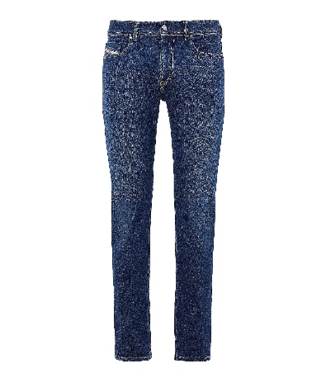 A03594_09B98_01-01 | 160.00 € | 160.00 € | 64.00 € | 64.00 € | 1 | 01 | 0 | 0 | 0 | 0 | 0 | 0 | 0 | 0 | 0 | 0 | 1 | 0 | 0 | 0 | 0 | 0 | 0 | 0 | 0 | 0 | 0 | 0 | 0 | 0 | 0 | 0 | 0 | 0 | 0 | 0
0005 | DENIM DSL MEN | 6203423100 | 5 pockets | 1979 SLEENKER | DE | Denim | SKINNY | A03594 | M | 96%COTTON 3%ELASTOMULTIESTER 1%ELASTANE-SPANDEX | 1979 SLEENKER L.32 PANTALONI | A03594 | 09B98 | 01 | . | A0359409B98 | 1979 SLEENKER 09B98 | A03594_09B98_01-01 | 160.00 € | 480.00 € | 64.00 € | 192.00 € | 3 | 01 | 0 | 0 | 0 | 0 | 0 | 0 | 0 | 0 | 0 | 1 | 1 | 0 | 1 | 0 | 0 | 0 | 0 | 0 | 0 | 0 | 0 | 0 | 0 | 0 | 0 | 0 | 0 | 0 | 0 | 0
0005 | DENIM DSL MEN | 6203423100 | 5 pockets | 1979 SLEENKER | DE | Denim | SKINNY | A03594 | M | 96%COTTON 3%ELASTOMULTIESTER 1%ELASTANE-SPANDEX | 1979 SLEENKER L.34 PANTALONI | A03596 | 09B98 | 01 | . | A0359609B98 | 1979 SLEENKER 09B98 | A03594_09B98_01-01 | 160.00 € | 1,120.00 € | 64.00 € | 448.00 € | 7 | 01 | 0 | 0 | 0 | 0 | 0 | 0 | 0 | 0 | 1 | 0 | 1 | 2 | 1 | 2 | 0 | 0 | 0 | 0 | 0 | 0 | 0 | 0 | 0 | 0 | 0 | 0 | 0 | 0 | 0 | 0
0005 | DENIM DSL MEN | 6203423100 | 5 pockets | 1979 SLEENKER | DE | Denim | SKINNY | A03594 | M | 95%COTTON 3%ELASTOMULTIESTER 2%ELASTANE-SPANDEX | 1979 SLEENKER L.30 PANTALONI | A03595 | 09D89 | 02 | . | A0359509D89 | 1979 SLEENKER 09D89 | 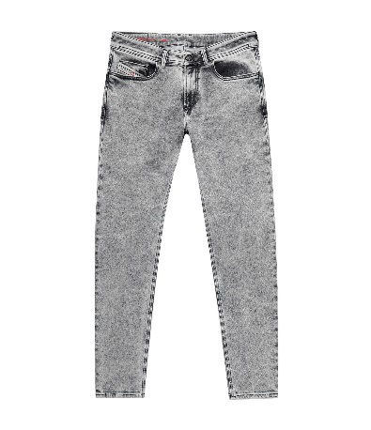 A03594_09D89_02-01 | 195.00 € | 390.00 € | 78.00 € | 156.00 € | 2 | 01 | 0 | 0 | 0 | 0 | 0 | 0 | 0 | 0 | 0 | 0 | 1 | 1 | 0 | 0 | 0 | 0 | 0 | 0 | 0 | 0 | 0 | 0 | 0 | 0 | 0 | 0 | 0 | 0 | 0 | 0
0005 | DENIM DSL MEN | 6203423100 | 5 pockets | 1979 SLEENKER | DE | Denim | SKINNY | A03594 | M | 95%COTTON 3%ELASTOMULTIESTER 2%ELASTANE-SPANDEX | 1979 SLEENKER L.32 PANTALONI | A03594 | 09D89 | 02 | . | A0359409D89 | 1979 SLEENKER 09D89 | A03594_09D89_02-01 | 195.00 € | 390.00 € | 78.00 € | 156.00 € | 2 | 01 | 0 | 0 | 0 | 0 | 0 | 1 | 0 | 0 | 0 | 0 | 0 | 1 | 0 | 0 | 0 | 0 | 0 | 0 | 0 | 0 | 0 | 0 | 0 | 0 | 0 | 0 | 0 | 0 | 0 | 0
0005 | DENIM DSL MEN | 6203423100 | 5 pockets | 1979 SLEENKER | DE | Denim | SKINNY | A03594 | M | 98%COTTON 2%ELASTANE | 1979 SLEENKER L.30 PANTALONI | A03595 | 09E95 | 01 | . | A0359509E95 | 1979 SLEENKER 09E95 | 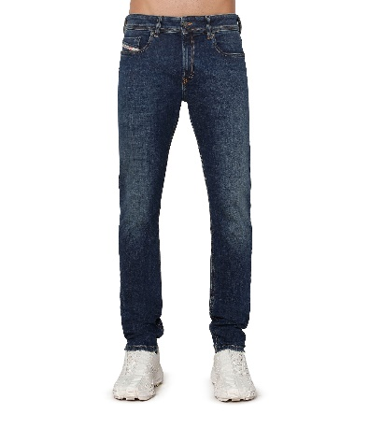 A03594_09E95_01-01 | 150.00 € | 2,400.00 € | 60.00 € | 960.00 € | 16 | 01 | 0 | 0 | 0 | 0 | 0 | 2 | 3 | 2 | 4 | 2 | 1 | 1 | 0 | 1 | 0 | 0 | 0 | 0 | 0 | 0 | 0 | 0 | 0 | 0 | 0 | 0 | 0 | 0 | 0 | 0
0005 | DENIM DSL MEN | 6203423100 | 5 pockets | 1979 SLEENKER | DE | Denim | SKINNY | A03594 | M | 98%COTTON 2%ELASTANE | 1979 SLEENKER L.32 PANTALONI | A03594 | 09E95 | 01 | . | A0359409E95 | 1979 SLEENKER 09E95 | A03594_09E95_01-01 | 150.00 € | 2,400.00 € | 60.00 € | 960.00 € | 16 | 01 | 0 | 0 | 0 | 0 | 1 | 1 | 2 | 1 | 2 | 2 | 4 | 2 | 1 | 0 | 0 | 0 | 0 | 0 | 0 | 0 | 0 | 0 | 0 | 0 | 0 | 0 | 0 | 0 | 0 | 0
0005 | DENIM DSL MEN | 6203423100 | 5 pockets | 1979 SLEENKER | DE | Denim | SKINNY | A03594 | M | 98%COTTON 2%ELASTANE | 1979 SLEENKER L.34 PANTALONI | A03596 | 09E95 | 01 | . | A0359609E95 | 1979 SLEENKER 09E95 | A03594_09E95_01-01 | 150.00 € | 1,050.00 € | 60.00 € | 420.00 € | 7 | 01 | 0 | 0 | 0 | 0 | 0 | 0 | 1 | 0 | 2 | 1 | 2 | 1 | 0 | 0 | 0 | 0 | 0 | 0 | 0 | 0 | 0 | 0 | 0 | 0 | 0 | 0 | 0 | 0 | 0 | 0
0005 | DENIM DSL MEN | 6203423100 | 5 pockets | 1979 SLEENKER | DE | Denim | SKINNY | A03594 | M | 99%COTTON 1%ELASTANE | 1979 SLEENKER L.30 PANTALONI | A03595 | 0QWTX | 9XX | BLACK BLACK BLACK | A035950QWTX | 1979 SLEENKER 0QWTX | 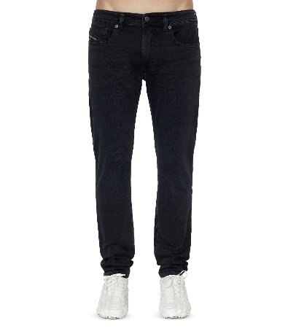 A03594_0QWTX_9XX-01 | 150.00 € | 1,500.00 € | 60.00 € | 600.00 € | 10 | 01 | 0 | 0 | 0 | 1 | 0 | 1 | 1 | 2 | 2 | 0 | 3 | 0 | 0 | 0 | 0 | 0 | 0 | 0 | 0 | 0 | 0 | 0 | 0 | 0 | 0 | 0 | 0 | 0 | 0 | 0
0005 | DENIM DSL MEN | 6203423100 | 5 pockets | 1979 SLEENKER | DE | Denim | SKINNY | A03594 | M | 99%COTTON 1%ELASTANE | 1979 SLEENKER L.32 PANTALONI | A03594 | 0QWTX | 9XX | BLACK BLACK BLACK | A035940QWTX | 1979 SLEENKER 0QWTX | A03594_0QWTX_9XX-01 | 150.00 € | 1,200.00 € | 60.00 € | 480.00 € | 8 | 01 | 0 | 0 | 0 | 0 | 0 | 1 | 1 | 2 | 2 | 1 | 1 | 0 | 0 | 0 | 0 | 0 | 0 | 0 | 0 | 0 | 0 | 0 | 0 | 0 | 0 | 0 | 0 | 0 | 0 | 0
0005 | DENIM DSL MEN | 6203423100 | 5 pockets | 1979 SLEENKER | DE | Denim | SKINNY | A03594 | M | 99%COTTON 1%ELASTANE | 1979 SLEENKER L.34 PANTALONI | A03596 | 0QWTX | 9XX | BLACK BLACK BLACK | A035960QWTX | 1979 SLEENKER 0QWTX | A03594_0QWTX_9XX-01 | 150.00 € | 450.00 € | 60.00 € | 180.00 € | 3 | 01 | 0 | 0 | 0 | 0 | 0 | 0 | 0 | 0 | 1 | 1 | 0 | 1 | 0 | 0 | 0 | 0 | 0 | 0 | 0 | 0 | 0 | 0 | 0 | 0 | 0 | 0 | 0 | 0 | 0 | 0
0005 | DENIM DSL MEN | 6203423100 | 5 pockets | 1986 LARKEE-BEEX | DE | Denim | TAPERED | 00SU1X | M | 99%COTTON 1%ELASTANE | 1986 LARKEE-BEEX L.32 PANTALON | 00SU1X | 009ZR | 01 | . | 00SU1X009ZR | 1986 LARKEE-BEEX 009ZR | 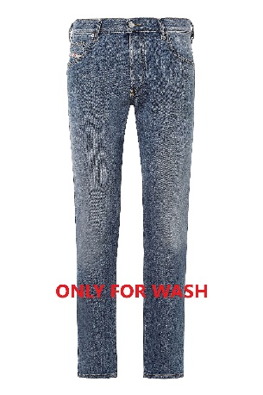 00SU1X_009ZR_01-01 | 140.00 € | 2,940.00 € | 56.00 € | 1,176.00 € | 21 | 01 | 0 | 0 | 0 | 0 | 0 | 1 | 1 | 2 | 3 | 8 | 2 | 2 | 0 | 2 | 0 | 0 | 0 | 0 | 0 | 0 | 0 | 0 | 0 | 0 | 0 | 0 | 0 | 0 | 0 | 0
0005 | DENIM DSL MEN | 6203423100 | 5 pockets | 1986 LARKEE-BEEX | DE | Denim | TAPERED | 00SU1X | M | 99%COTTON 1%ELASTANE | 1986 LARKEE-BEEX L.34 PANTALON | 00SU1Y | 009ZR | 01 | . | 00SU1Y009ZR | 1986 LARKEE-BEEX 009ZR | 00SU1X_009ZR_01-01 | 140.00 € | 1,260.00 € | 56.00 € | 504.00 € | 9 | 01 | 0 | 0 | 0 | 0 | 0 | 0 | 0 | 0 | 2 | 3 | 0 | 3 | 0 | 1 | 0 | 0 | 0 | 0 | 0 | 0 | 0 | 0 | 0 | 0 | 0 | 0 | 0 | 0 | 0 | 0
0005 | DENIM DSL MEN | 6203423100 | 5 pockets | 1995 D-SARK | DE | Denim | STRAIGHT | A03568 | M | 100%COTTON | 1995 D-SARK L.30 PANTALONI | A04302 | 09B88 | 02 | . | A0430209B88 | 1995 D-SARK 09B88 | 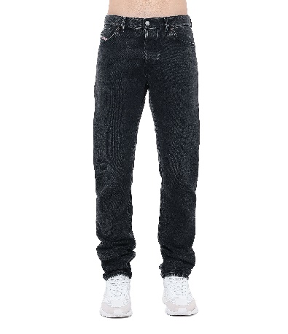 A03568_09B88_02-01 | 185.00 € | 740.00 € | 74.00 € | 296.00 € | 4 | 01 | 0 | 0 | 0 | 0 | 0 | 0 | 1 | 1 | 2 | 0 | 0 | 0 | 0 | 0 | 0 | 0 | 0 | 0 | 0 | 0 | 0 | 0 | 0 | 0 | 0 | 0 | 0 | 0 | 0 | 0
0005 | DENIM DSL MEN | 6203423100 | 5 pockets | 1995 D-SARK | DE | Denim | STRAIGHT | A03568 | M | 100%COTTON | 1995 D-SARK L.32 PANTALONI | A03568 | 09B88 | 02 | . | A0356809B88 | 1995 D-SARK 09B88 | A03568_09B88_02-01 | 185.00 € | 4,625.00 € | 74.00 € | 1,850.00 € | 25 | 01 | 0 | 0 | 0 | 0 | 0 | 0 | 2 | 2 | 8 | 4 | 6 | 2 | 1 | 0 | 0 | 0 | 0 | 0 | 0 | 0 | 0 | 0 | 0 | 0 | 0 | 0 | 0 | 0 | 0 | 0
0005 | DENIM DSL MEN | 6203423100 | 5 pockets | 2005 D-FINING | DE | Denim | TAPERED | A03571 | M | 99%COTTON 1%ELASTANE | 2005 D-FINING L.32 PANTALONI | A03571 | 0TFAT | 01 | . | A035710TFAT | 2005 D-FINING 0TFAT | 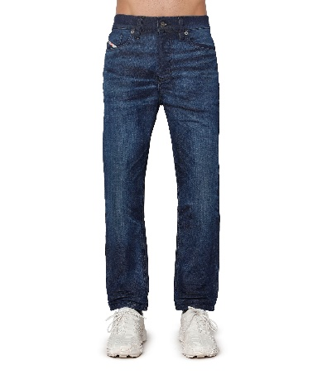 A03571_0TFAT_01-01 | 195.00 € | 7,410.00 € | 78.00 € | 2,964.00 € | 38 | 01 | 0 | 0 | 0 | 0 | 1 | 1 | 6 | 5 | 3 | 4 | 12 | 6 | 0 | 0 | 0 | 0 | 0 | 0 | 0 | 0 | 0 | 0 | 0 | 0 | 0 | 0 | 0 | 0 | 0 | 0
0005 | DENIM DSL MEN | 6203423100 | 5 pockets | 2005 D-FINING-R | DE | Denim | TAPERED | A12022 | M | 99%COTTON 1%ELASTANE | 2005 D-FINING-R L.32 PANTALONI | A12022 | R9D81 | 01 | . | A12022R9D81 | 2005 D-FINING-R R9D81 | 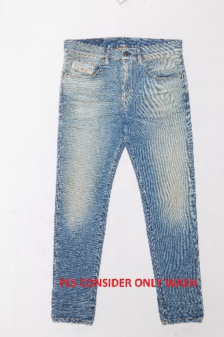 A12022_R9D81_01-01 | 195.00 € | 1,755.00 € | 78.00 € | 702.00 € | 9 | 01 | 0 | 0 | 0 | 0 | 0 | 1 | 1 | 1 | 2 | 1 | 1 | 2 | 0 | 0 | 0 | 0 | 0 | 0 | 0 | 0 | 0 | 0 | 0 | 0 | 0 | 0 | 0 | 0 | 0 | 0
0005 | DENIM DSL MEN | 6203423100 | 5 pockets | 2005 D-FINING-R | DE | Denim | TAPERED | A12022 | M | 99%COTTON 1%ELASTANE | 2005 D-FINING-R L.34 PANTALONI | A12024 | R9D81 | 01 | . | A12024R9D81 | 2005 D-FINING-R R9D81 | A12022_R9D81_01-01 | 195.00 € | 1,560.00 € | 78.00 € | 624.00 € | 8 | 01 | 0 | 0 | 0 | 0 | 0 | 0 | 1 | 0 | 2 | 1 | 2 | 1 | 1 | 0 | 0 | 0 | 0 | 0 | 0 | 0 | 0 | 0 | 0 | 0 | 0 | 0 | 0 | 0 | 0 | 0
0005 | DENIM DSL MEN | 6203423100 | 5 pockets | 2019 D-STRUKT | DE | Denim | SLIM | A03558 | M | 99%COTTON 1%ELASTANE | 2019 D-STRUKT L.30 PANTALONI | A03562 | 09B83 | 02 | . | A0356209B83 | 2019 D-STRUKT 09B83 | 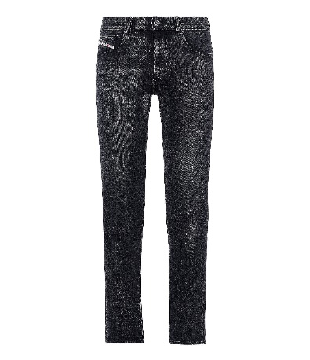 A03558_09B83_02-01 | 185.00 € | 925.00 € | 74.00 € | 370.00 € | 5 | 01 | 0 | 0 | 0 | 0 | 0 | 0 | 1 | 2 | 1 | 1 | 0 | 0 | 0 | 0 | 0 | 0 | 0 | 0 | 0 | 0 | 0 | 0 | 0 | 0 | 0 | 0 | 0 | 0 | 0 | 0
0005 | DENIM DSL MEN | 6203423100 | 5 pockets | 2019 D-STRUKT | DE | Denim | SLIM | A03558 | M | 98%COTTON 2%ELASTANE | 2019 D-STRUKT L.30 PANTALONI | A03562 | 09B90 | 01 | . | A0356209B90 | 2019 D-STRUKT 09B90 | 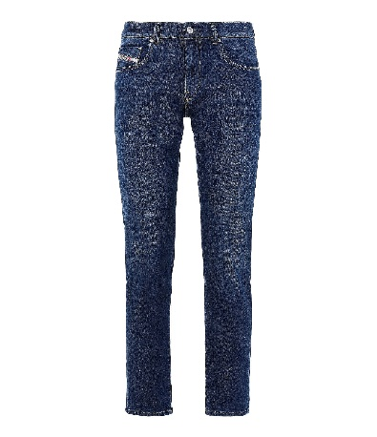 A03558_09B90_01-01 | 160.00 € | 480.00 € | 64.00 € | 192.00 € | 3 | 01 | 0 | 0 | 0 | 0 | 0 | 0 | 0 | 2 | 1 | 0 | 0 | 0 | 0 | 0 | 0 | 0 | 0 | 0 | 0 | 0 | 0 | 0 | 0 | 0 | 0 | 0 | 0 | 0 | 0 | 0
0005 | DENIM DSL MEN | 6203423100 | 5 pockets | 2019 D-STRUKT | DE | Denim | SLIM | A03558 | M | 98%COTTON 2%ELASTANE | 2019 D-STRUKT L.32 PANTALONI | A03558 | 09B90 | 01 | . | A0355809B90 | 2019 D-STRUKT 09B90 | A03558_09B90_01-01 | 160.00 € | 320.00 € | 64.00 € | 128.00 € | 2 | 01 | 0 | 0 | 0 | 0 | 0 | 0 | 0 | 1 | 0 | 0 | 0 | 1 | 0 | 0 | 0 | 0 | 0 | 0 | 0 | 0 | 0 | 0 | 0 | 0 | 0 | 0 | 0 | 0 | 0 | 0
0005 | DENIM DSL MEN | 6203423100 | 5 pockets | 2019 D-STRUKT | DE | Denim | SLIM | A03558 | M | 98%COTTON 2%ELASTANE | 2019 D-STRUKT L.34 PANTALONI | A03563 | 09B90 | 01 | . | A0356309B90 | 2019 D-STRUKT 09B90 | A03558_09B90_01-01 | 160.00 € | 640.00 € | 64.00 € | 256.00 € | 4 | 01 | 0 | 0 | 0 | 0 | 0 | 0 | 0 | 0 | 1 | 0 | 2 | 1 | 0 | 0 | 0 | 0 | 0 | 0 | 0 | 0 | 0 | 0 | 0 | 0 | 0 | 0 | 0 | 0 | 0 | 0
0005 | DENIM DSL MEN | 6203423100 | 5 pockets | 2019 D-STRUKT | DE | Denim | SLIM | A03558 | M | 99%COTTON 1%ELASTANE | 2019 D-STRUKT L.32 PANTALONI | A03558 | 09E84 | 01 | . | A0355809E84 | 2019 D-STRUKT 09E84 | 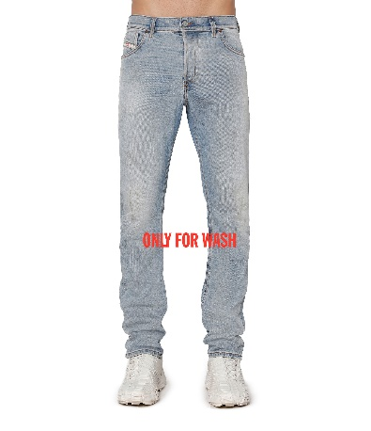 A03558_09E84_01-01 | 225.00 € | 450.00 € | 90.00 € | 180.00 € | 2 | 01 | 0 | 0 | 0 | 0 | 2 | 0 | 0 | 0 | 0 | 0 | 0 | 0 | 0 | 0 | 0 | 0 | 0 | 0 | 0 | 0 | 0 | 0 | 0 | 0 | 0 | 0 | 0 | 0 | 0 | 0
0005 | DENIM DSL MEN | 6203423100 | 5 pockets | 2019 D-STRUKT | DE | Denim | SLIM | A03558 | M | 99%COTTON 1%ELASTANE | 2019 D-STRUKT L.30 PANTALONI | A03562 | 09E94 | 02 | . | A0356209E94 | 2019 D-STRUKT 09E94 | 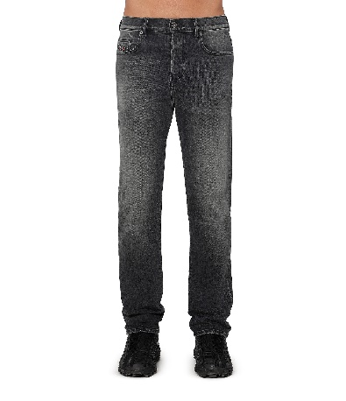 A03558_09E94_02-01 | 150.00 € | 300.00 € | 60.00 € | 120.00 € | 2 | 01 | 0 | 0 | 0 | 0 | 0 | 1 | 1 | 0 | 0 | 0 | 0 | 0 | 0 | 0 | 0 | 0 | 0 | 0 | 0 | 0 | 0 | 0 | 0 | 0 | 0 | 0 | 0 | 0 | 0 | 0
0005 | DENIM DSL MEN | 6203423100 | 5 pockets | 2019 D-STRUKT | DE | Denim | SLIM | A03558 | M | 99%COTTON 1%ELASTANE | 2019 D-STRUKT L.32 PANTALONI | A03558 | 09E94 | 02 | . | A0355809E94 | 2019 D-STRUKT 09E94 | A03558_09E94_02-01 | 150.00 € | 1,350.00 € | 60.00 € | 540.00 € | 9 | 01 | 0 | 0 | 0 | 0 | 1 | 0 | 2 | 1 | 1 | 0 | 0 | 4 | 0 | 0 | 0 | 0 | 0 | 0 | 0 | 0 | 0 | 0 | 0 | 0 | 0 | 0 | 0 | 0 | 0 | 0
0005 | DENIM DSL MEN | 6203423100 | 5 pockets | 2019 D-STRUKT | DE | Denim | SLIM | A03558 | M | 99%COTTON 1%ELASTANE | 2019 D-STRUKT L.34 PANTALONI | A03563 | 09E94 | 02 | . | A0356309E94 | 2019 D-STRUKT 09E94 | A03558_09E94_02-01 | 150.00 € | 450.00 € | 60.00 € | 180.00 € | 3 | 01 | 0 | 0 | 0 | 0 | 0 | 0 | 1 | 0 | 1 | 1 | 0 | 0 | 0 | 0 | 0 | 0 | 0 | 0 | 0 | 0 | 0 | 0 | 0 | 0 | 0 | 0 | 0 | 0 | 0 | 0
0005 | DENIM DSL MEN | 6203423100 | 5 pockets | 2019 D-STRUKT | DE | Denim | SLIM | A03558 | M | 98%COTTON 2%ELASTANE | 2019 D-STRUKT L.34 PANTALONI | A03563 | Z9B89 | 01 | . | A03563Z9B89 | 2019 D-STRUKT Z9B89 | 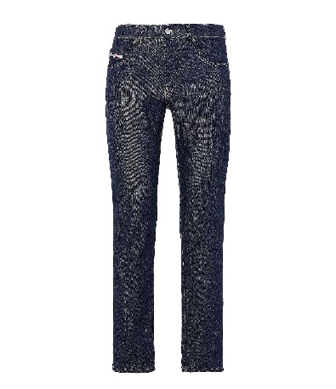 A03558_Z9B89_01-01 | 150.00 € | 150.00 € | 60.00 € | 60.00 € | 1 | 01 | 0 | 0 | 0 | 0 | 0 | 0 | 0 | 0 | 0 | 0 | 0 | 0 | 0 | 1 | 0 | 0 | 0 | 0 | 0 | 0 | 0 | 0 | 0 | 0 | 0 | 0 | 0 | 0 | 0 | 0
0005 | DENIM DSL MEN | 6203423100 | 5 pockets | 2019 D-STRUKT-R | DE | Denim | SLIM | A12025 | M | 99%COTTON 1%ELASTANE | 2019 D-STRUKT-R L.30 PANTALONI | A12026 | R07P3 | 01 | . | A12026R07P3 | 2019 D-STRUKT-R R07P3 | 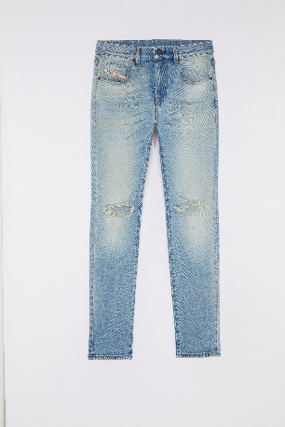 A12025_R07P3_01-01 | 250.00 € | 750.00 € | 100.00 € | 300.00 € | 3 | 01 | 0 | 0 | 0 | 0 | 0 | 0 | 0 | 1 | 1 | 1 | 0 | 0 | 0 | 0 | 0 | 0 | 0 | 0 | 0 | 0 | 0 | 0 | 0 | 0 | 0 | 0 | 0 | 0 | 0 | 0
0005 | DENIM DSL MEN | 6203423100 | 5 pockets | 2019 D-STRUKT-R | DE | Denim | SLIM | A12025 | M | 99%COTTON 1%ELASTANE | 2019 D-STRUKT-R L.32 PANTALONI | A12025 | R07P3 | 01 | . | A12025R07P3 | 2019 D-STRUKT-R R07P3 | A12025_R07P3_01-01 | 250.00 € | 1,000.00 € | 100.00 € | 400.00 € | 4 | 01 | 0 | 0 | 0 | 0 | 0 | 0 | 0 | 0 | 1 | 0 | 2 | 1 | 0 | 0 | 0 | 0 | 0 | 0 | 0 | 0 | 0 | 0 | 0 | 0 | 0 | 0 | 0 | 0 | 0 | 0
0005 | DENIM DSL MEN | 6203423100 | 5 pockets | 2020 D-VIKER | DE | Denim | STRAIGHT | A05156 | M | 100%COTTON | 2020 D-VIKER L.30 PANTALONI | A05157 | 007K8 | 02 | . | A05157007K8 | 2020 D-VIKER 007K8 | 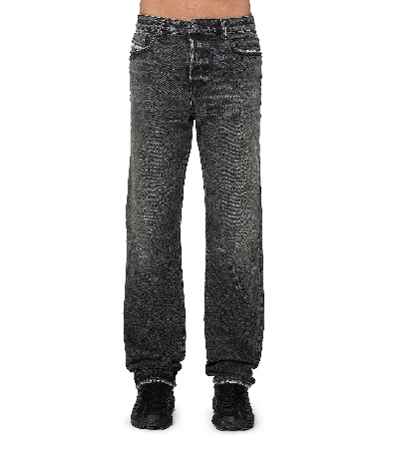 A05156_007K8_02-01 | 195.00 € | 780.00 € | 78.00 € | 312.00 € | 4 | 01 | 0 | 0 | 0 | 0 | 0 | 0 | 0 | 1 | 1 | 1 | 1 | 0 | 0 | 0 | 0 | 0 | 0 | 0 | 0 | 0 | 0 | 0 | 0 | 0 | 0 | 0 | 0 | 0 | 0 | 0
0005 | DENIM DSL MEN | 6203423100 | 5 pockets | 2020 D-VIKER | DE | Denim | STRAIGHT | A05156 | M | 100%COTTON | 2020 D-VIKER L.32 PANTALONI | A05156 | 007K8 | 02 | . | A05156007K8 | 2020 D-VIKER 007K8 | A05156_007K8_02-01 | 195.00 € | 2,730.00 € | 78.00 € | 1,092.00 € | 14 | 01 | 0 | 0 | 0 | 0 | 0 | 1 | 3 | 0 | 2 | 1 | 3 | 0 | 4 | 0 | 0 | 0 | 0 | 0 | 0 | 0 | 0 | 0 | 0 | 0 | 0 | 0 | 0 | 0 | 0 | 0
0005 | DENIM DSL MEN | 6203423100 | 5 pockets | BUSTER-X | DE | Denim | TAPERED | A00893 | M | 99%COTTON 1%ELASTANE | BUSTER-X L.30 PANTALONI | A00894 | R0R71 | 01 | . | A00894R0R71 | BUSTER-X R0R71 | 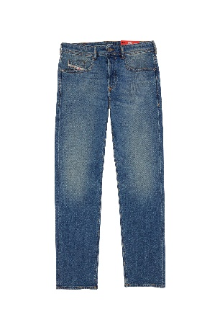 A00893_R0R71_01-01 | 195.00 € | 1,365.00 € | 78.00 € | 546.00 € | 7 | 01 | 0 | 0 | 0 | 0 | 0 | 0 | 0 | 3 | 3 | 0 | 0 | 1 | 0 | 0 | 0 | 0 | 0 | 0 | 0 | 0 | 0 | 0 | 0 | 0 | 0 | 0 | 0 | 0 | 0 | 0
0005 | DENIM DSL MEN | 6203423100 | 5 pockets | BUSTER-X | DE | Denim | TAPERED | A00893 | M | 99%COTTON 1%ELASTANE | BUSTER-X L.32 PANTALONI | A00893 | R0R71 | 01 | . | A00893R0R71 | BUSTER-X R0R71 | A00893_R0R71_01-01 | 195.00 € | 2,925.00 € | 78.00 € | 1,170.00 € | 15 | 01 | 0 | 0 | 0 | 0 | 0 | 0 | 2 | 1 | 2 | 3 | 2 | 3 | 1 | 1 | 0 | 0 | 0 | 0 | 0 | 0 | 0 | 0 | 0 | 0 | 0 | 0 | 0 | 0 | 0 | 0
0005 | DENIM DSL MEN | 6203423100 | 5 pockets | D-LUSTER | DE | Denim | SLIM | 00SID9 | M | 99%COTTON 1%ELASTANE | D-LUSTER L.30 PANTALONI | 00SID8 | 0IHAU | 02 | . | 00SID80IHAU | D-LUSTER 0IHAU | 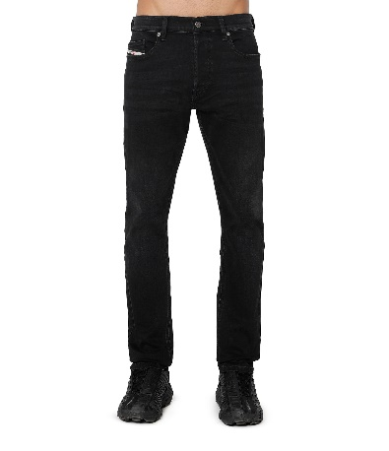 00SID9_0IHAU_02-01 | 140.00 € | 420.00 € | 56.00 € | 168.00 € | 3 | 01 | 0 | 0 | 0 | 0 | 2 | 0 | 0 | 0 | 0 | 0 | 0 | 1 | 0 | 0 | 0 | 0 | 0 | 0 | 0 | 0 | 0 | 0 | 0 | 0 | 0 | 0 | 0 | 0 | 0 | 0
0005 | DENIM DSL MEN | 6203423100 | 5 pockets | D-LUSTER | DE | Denim | SLIM | 00SID9 | M | 99%COTTON 1%ELASTANE | D-LUSTER L.32 PANTALONI | 00SID9 | 0IHAU | 02 | . | 00SID90IHAU | D-LUSTER 0IHAU | 00SID9_0IHAU_02-01 | 140.00 € | 3,640.00 € | 56.00 € | 1,456.00 € | 26 | 01 | 0 | 0 | 0 | 0 | 0 | 2 | 7 | 3 | 7 | 2 | 3 | 1 | 1 | 0 | 0 | 0 | 0 | 0 | 0 | 0 | 0 | 0 | 0 | 0 | 0 | 0 | 0 | 0 | 0 | 0
0005 | DENIM DSL MEN | 6203423100 | 5 pockets | D-LUSTER | DE | Denim | SLIM | 00SID9 | M | 99%COTTON 1%ELASTANE | D-LUSTER L.34 PANTALONI | 00SIDA | 0IHAU | 02 | . | 00SIDA0IHAU | D-LUSTER 0IHAU | 00SID9_0IHAU_02-01 | 140.00 € | 3,780.00 € | 56.00 € | 1,512.00 € | 27 | 01 | 0 | 0 | 0 | 0 | 2 | 5 | 3 | 6 | 3 | 0 | 5 | 0 | 2 | 1 | 0 | 0 | 0 | 0 | 0 | 0 | 0 | 0 | 0 | 0 | 0 | 0 | 0 | 0 | 0 | 0
0005 | DENIM DSL MEN | 6203423100 | 5 pockets | LARKEE-X | DE | Denim | STRAIGHT | A00890 | M | 99%COTTON 1%ELASTANE | LARKEE-X L.34 PANTALONI | A00892 | RR9HF | 01 | . | A00892RR9HF | LARKEE-X RR9HF | A00890_RR9HF_01-01 | 150.00 € | 300.00 € | 60.00 € | 120.00 € | 2 | 01 | 0 | 0 | 0 | 0 | 0 | 0 | 0 | 0 | 0 | 1 | 1 | 0 | 0 | 0 | 0 | 0 | 0 | 0 | 0 | 0 | 0 | 0 | 0 | 0 | 0 | 0 | 0 | 0 | 0 | 0
0005 | DENIM DSL MEN | 6203423100 | 5 pockets | LARKEE-X | DE | Denim | STRAIGHT | A00890 | M | 100%COTTON | LARKEE-X L.30 PANTALONI | A00891 | RS182 | 01 | . | A00891RS182 | LARKEE-X RS182 | 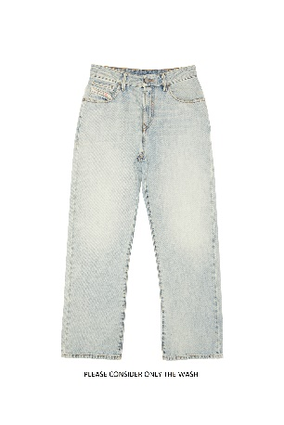 A00890_RS182_01-01 | 150.00 € | 600.00 € | 60.00 € | 240.00 € | 4 | 01 | 0 | 0 | 0 | 0 | 0 | 0 | 0 | 0 | 1 | 1 | 1 | 1 | 0 | 0 | 0 | 0 | 0 | 0 | 0 | 0 | 0 | 0 | 0 | 0 | 0 | 0 | 0 | 0 | 0 | 0
0005 | DENIM DSL MEN | 6203423100 | 5 pockets | SAFADO-X | DE | Denim | STRAIGHT | 00S0PS | M | 99%COTTON 1%ELASTANE | SAFADO-X L.30 PANTALONI | 00S0PR | R168L | 01 | . | 00S0PRR168L | SAFADO-X R168L | 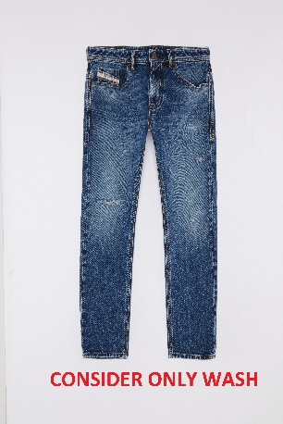 00S0PS_R168L_01-01 | 195.00 € | 4,290.00 € | 78.00 € | 1,716.00 € | 22 | 01 | 0 | 0 | 0 | 0 | 0 | 2 | 2 | 4 | 1 | 1 | 5 | 6 | 1 | 0 | 0 | 0 | 0 | 0 | 0 | 0 | 0 | 0 | 0 | 0 | 0 | 0 | 0 | 0 | 0 | 0
0005 | DENIM DSL MEN | 6203423100 | 5 pockets | SAFADO-X | DE | Denim | STRAIGHT | 00S0PS | M | 99%COTTON 1%ELASTANE | SAFADO-X L.32 PANTALONI | 00S0PS | R168L | 01 | . | 00S0PSR168L | SAFADO-X R168L | 00S0PS_R168L_01-01 | 195.00 € | 5,655.00 € | 78.00 € | 2,262.00 € | 29 | 01 | 0 | 0 | 0 | 0 | 0 | 1 | 2 | 6 | 6 | 2 | 4 | 7 | 1 | 0 | 0 | 0 | 0 | 0 | 0 | 0 | 0 | 0 | 0 | 0 | 0 | 0 | 0 | 0 | 0 | 0
0005 | DENIM DSL MEN | 6203423100 | 5 pockets | SAFADO-X | DE | Denim | STRAIGHT | 00S0PS | M | 99%COTTON 1%ELASTANE | SAFADO-X L.34 PANTALONI | 00S0PT | R168L | 01 | . | 00S0PTR168L | SAFADO-X R168L | 00S0PS_R168L_01-01 | 195.00 € | 975.00 € | 78.00 € | 390.00 € | 5 | 01 | 0 | 0 | 0 | 0 | 0 | 0 | 0 | 1 | 0 | 0 | 2 | 0 | 2 | 0 | 0 | 0 | 0 | 0 | 0 | 0 | 0 | 0 | 0 | 0 | 0 | 0 | 0 | 0 | 0 | 0
0005 | DENIM DSL MEN | 6203423100 | 5 pockets | SLEENKER-X | DE | Denim | SKINNY | 00SWJF | M | 94%COTTON 4%POLYESTER 2%ELASTANE | SLEENKER-X L.32 PANTALONI | 00SWJF | RR9KL | 01 | . | 00SWJFRR9KL | SLEENKER-X RR9KL | 00SWJF_RR9KL_01-01 | 185.00 € | 370.00 € | 74.00 € | 148.00 € | 2 | 01 | 0 | 0 | 0 | 0 | 0 | 0 | 0 | 0 | 1 | 0 | 0 | 1 | 0 | 0 | 0 | 0 | 0 | 0 | 0 | 0 | 0 | 0 | 0 | 0 | 0 | 0 | 0 | 0 | 0 | 0
0005 | DENIM DSL MEN | 6203423100 | 5 pockets | SLEENKER-X | DE | Denim | SKINNY | 00SWJF | M | 94%COTTON 4%POLYESTER 2%ELASTANE | SLEENKER-X L.34 PANTALONI | 00SWJG | RR9KL | 01 | . | 00SWJGRR9KL | SLEENKER-X RR9KL | 00SWJF_RR9KL_01-01 | 185.00 € | 740.00 € | 74.00 € | 296.00 € | 4 | 01 | 0 | 0 | 0 | 0 | 0 | 0 | 0 | 0 | 0 | 1 | 2 | 1 | 0 | 0 | 0 | 0 | 0 | 0 | 0 | 0 | 0 | 0 | 0 | 0 | 0 | 0 | 0 | 0 | 0 | 0
0005 | DENIM DSL MEN | 6203423100 | 5 pockets | THOMMER-R | DE | Denim | SLIM | A13342 | M | 99%COTTON 1%ELASTANE | THOMMER-R L.30 PANTALONI | A13343 | R168L | 01 | . | A13343R168L | THOMMER-R R168L | 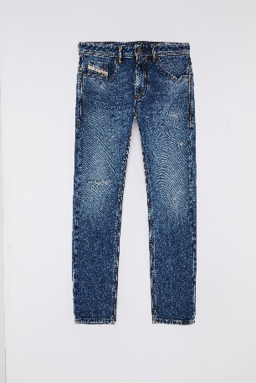 A13342_R168L_01-01 | 195.00 € | 2,730.00 € | 78.00 € | 1,092.00 € | 14 | 01 | 0 | 0 | 0 | 0 | 1 | 0 | 1 | 5 | 3 | 1 | 2 | 1 | 0 | 0 | 0 | 0 | 0 | 0 | 0 | 0 | 0 | 0 | 0 | 0 | 0 | 0 | 0 | 0 | 0 | 0
0005 | DENIM DSL MEN | 6203423100 | 5 pockets | THOMMER-R | DE | Denim | SLIM | A13342 | M | 99%COTTON 1%ELASTANE | THOMMER-R L.32 PANTALONI | A13342 | R168L | 01 | . | A13342R168L | THOMMER-R R168L | A13342_R168L_01-01 | 195.00 € | 2,730.00 € | 78.00 € | 1,092.00 € | 14 | 01 | 0 | 0 | 0 | 0 | 1 | 0 | 1 | 3 | 1 | 1 | 3 | 4 | 0 | 0 | 0 | 0 | 0 | 0 | 0 | 0 | 0 | 0 | 0 | 0 | 0 | 0 | 0 | 0 | 0 | 0
0005 | DENIM DSL MEN | 6203495000 | Short pants | short pants | DE | Denim | SLIM |  | M | 52%LYOCELL 45%COTTON 3%ELASTANE | D-KROOSHORT-NE CALZONCINI | 00STMV | R69ZY | 01 | . | 00STMVR69ZY | 00STMV R69ZY | 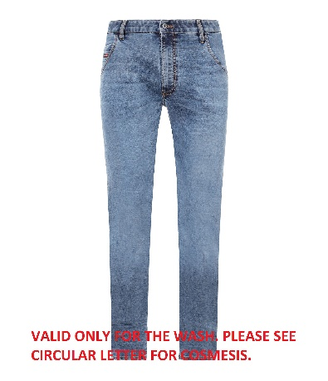 00STMV_R69ZY_01-01 | 195.00 € | 2,340.00 € | 78.00 € | 936.00 € | 12 | 01 | 0 | 0 | 0 | 0 | 2 | 0 | 4 | 0 | 1 | 0 | 1 | 4 | 0 | 0 | 0 | 0 | 0 | 0 | 0 | 0 | 0 | 0 | 0 | 0 | 0 | 0 | 0 | 0 | 0 | 0
0005 | DENIM DSL MEN | 6203429000 | Short pants | short pants | DE | Denim |  |  | M | 100%COTTON | REGULAR-SHORT CALZONCINI | A06430 | 0LGAG | 10B | TURTLEDOVE | A064300LGAG | A06430 0LGAG | 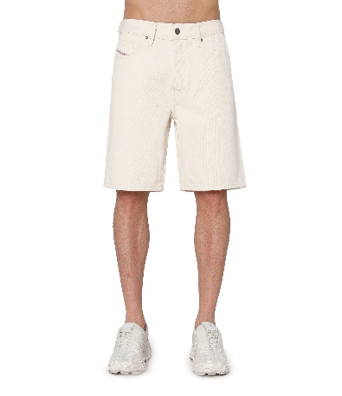 A06430_0LGAG_10B-01 | 130.00 € | 1,950.00 € | 52.00 € | 780.00 € | 15 | 01 | 0 | 0 | 0 | 0 | 0 | 2 | 1 | 3 | 4 | 1 | 3 | 1 | 0 | 0 | 0 | 0 | 0 | 0 | 0 | 0 | 0 | 0 | 0 | 0 | 0 | 0 | 0 | 0 | 0 | 0
0005 | DENIM DSL MEN | 6203429000 | Short pants | short pants | DE | Denim | SLIM |  | M | 99%COTTON 1%ELASTANE | SLIM-SHORT CALZONCINI | A06750 | 0IHAQ | 01 | . | A067500IHAQ | A06750 0IHAQ | 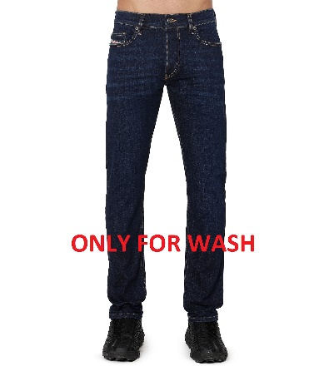 A06750_0IHAQ_01-01 | 120.00 € | 480.00 € | 48.00 € | 192.00 € | 4 | 01 | 0 | 0 | 0 | 0 | 0 | 1 | 0 | 0 | 2 | 1 | 0 | 0 | 0 | 0 | 0 | 0 | 0 | 0 | 0 | 0 | 0 | 0 | 0 | 0 | 0 | 0 | 0 | 0 | 0 | 0
0005 | DENIM DSL MEN | 6203429000 | Short pants | short pants | DE | Denim | SLIM |  | M | 98%COTTON 2%ELASTANE | SLIM-SHORT CALZONCINI | A06750 | 0IHAT | 01 | . | A067500IHAT | A06750 0IHAT | 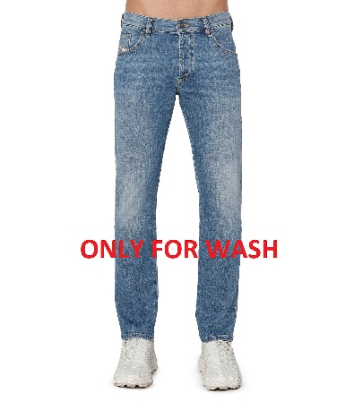 A06750_0IHAT_01-01 | 120.00 € | 360.00 € | 48.00 € | 144.00 € | 3 | 01 | 0 | 0 | 0 | 0 | 0 | 0 | 0 | 1 | 1 | 0 | 0 | 0 | 1 | 0 | 0 | 0 | 0 | 0 | 0 | 0 | 0 | 0 | 0 | 0 | 0 | 0 | 0 | 0 | 0 | 0
0005 | DENIM DSL MEN | 6203429000 | Short pants | short pants | DE | Denim | SLIM |  | M | 99%COTTON 1%ELASTANE | SLIM-SHORT CALZONCINI | A06750 | 0IHAU | 02 | . | A067500IHAU | A06750 0IHAU | 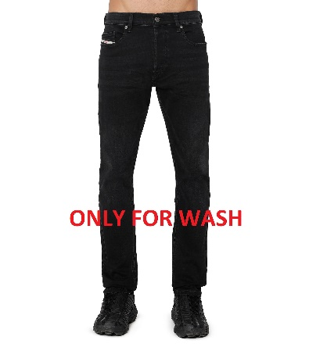 A06750_0IHAU_02-01 | 120.00 € | 360.00 € | 48.00 € | 144.00 € | 3 | 01 | 0 | 0 | 0 | 0 | 0 | 0 | 0 | 0 | 0 | 1 | 2 | 0 | 0 | 0 | 0 | 0 | 0 | 0 | 0 | 0 | 0 | 0 | 0 | 0 | 0 | 0 | 0 | 0 | 0 | 0
0005 | DENIM DSL MEN | 6203491900 | Sweat jeans | PANTALONI | DE | Denim | SLIM |  | M | 52%LYOCELL 45%COTTON 3%ELASTANE | D-STRUKT-NE Sweat jeans | A01014 | 069NC | 02 | . | A01014069NC | A01014 069NC | 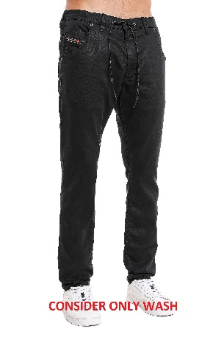 A01014_069NC_02-01 | 225.00 € | 2,925.00 € | 90.00 € | 1,170.00 € | 13 | 01 | 0 | 0 | 0 | 0 | 2 | 0 | 2 | 0 | 2 | 0 | 2 | 2 | 1 | 2 | 0 | 0 | 0 | 0 | 0 | 0 | 0 | 0 | 0 | 0 | 0 | 0 | 0 | 0 | 0 | 0
0005 | DENIM DSL MEN | 6203423500 | Sweat jeans | PANTALONI | DE | Denim | SLIM |  | M | 90%COTTON 8%POLYESTER 2%ELASTANE | D-STRUKT-Z-NE Sweat jeans | A05514 | 0670M | 900 | CAVIAR | A055140670M | A05514 0670M | 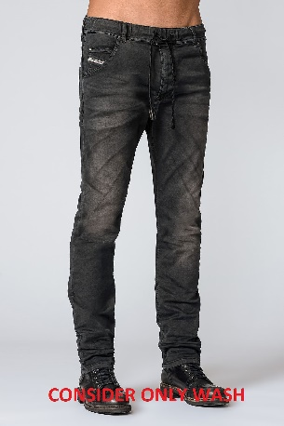 A05514_0670M_900-01 | 275.00 € | 2,750.00 € | 110.00 € | 1,100.00 € | 10 | 01 | 0 | 0 | 0 | 0 | 0 | 0 | 2 | 0 | 3 | 0 | 0 | 2 | 0 | 3 | 0 | 0 | 0 | 0 | 0 | 0 | 0 | 0 | 0 | 0 | 0 | 0 | 0 | 0 | 0 | 0
0005 | DENIM DSL MEN | 6203491900 | Sweat jeans | PANTALONI | DE | Denim | SLIM |  | M | 52%LYOCELL 45%COTTON 3%ELASTANE | D-STRUKT-Z-NE Sweat jeans | A05514 | 068CU | 01 | . | A05514068CU | A05514 068CU | 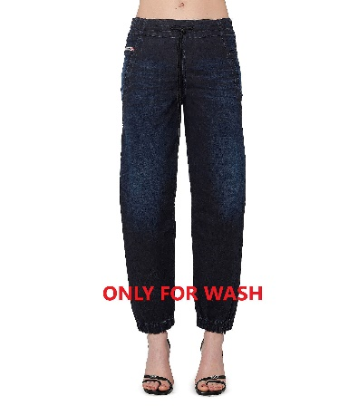 A05514_068CU_01-01 | 250.00 € | 3,500.00 € | 100.00 € | 1,400.00 € | 14 | 01 | 0 | 0 | 0 | 0 | 0 | 0 | 2 | 0 | 3 | 0 | 3 | 2 | 2 | 2 | 0 | 0 | 0 | 0 | 0 | 0 | 0 | 0 | 0 | 0 | 0 | 0 | 0 | 0 | 0 | 0
0005 | DENIM DSL MEN | 6203491900 | Sweat jeans | PANTALONI | DE | Denim | TAPERED |  | M | 52%LYOCELL 45%COTTON 3%ELASTANE | NARROT-NE-R Sweat jeans | A13189 | R684T | 81E | TOTAL ECLIPSE | A13189R684T | A13189 R684T | A13189_R684T_81E-01 | 275.00 € | 3,575.00 € | 110.00 € | 1,430.00 € | 13 | 01 | 0 | 0 | 0 | 0 | 2 | 0 | 3 | 0 | 2 | 0 | 3 | 2 | 1 | 0 | 0 | 0 | 0 | 0 | 0 | 0 | 0 | 0 | 0 | 0 | 0 | 0 | 0 | 0 | 0 | 0
0005 | DENIM DSL MEN | 6203491900 | Sweat jeans | D-STRUKT JOGG | DE | Denim | SLIM | A09732 | M | 52%LYOCELL 45%COTTON 3%ELASTANE | D-STRUKT JOGG L.32 Sweat jeans | A09732 | 068DU | 01 | . | A09732068DU | D-STRUKT JOGG 068DU | 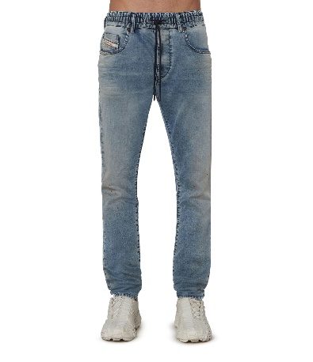 A09732_068DU_01-01 | 295.00 € | 2,655.00 € | 118.00 € | 1,062.00 € | 9 | 01 | 0 | 0 | 0 | 0 | 1 | 0 | 2 | 0 | 2 | 0 | 1 | 2 | 0 | 1 | 0 | 0 | 0 | 0 | 0 | 0 | 0 | 0 | 0 | 0 | 0 | 0 | 0 | 0 | 0 | 0
0005 | DENIM DSL MEN | 6203423500 | Sweat jeans | KROOLEY-E-NE | DE | Denim | TAPERED | A00088 | M | 90%COTTON 8%POLYESTER 2%ELASTANE | KROOLEY-E-NE L.32 Sweat jeans | A00088 | 0670M | 900 | CAVIAR | A000880670M | KROOLEY-E-NE 0670M | 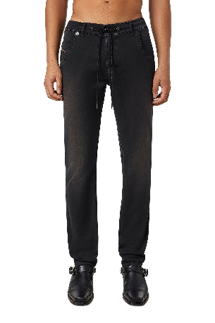 A00088_0670M_900-01 | 275.00 € | 3,025.00 € | 110.00 € | 1,210.00 € | 11 | 01 | 0 | 0 | 1 | 0 | 3 | 0 | 1 | 0 | 2 | 0 | 3 | 0 | 0 | 1 | 0 | 0 | 0 | 0 | 0 | 0 | 0 | 0 | 0 | 0 | 0 | 0 | 0 | 0 | 0 | 0
0005 | DENIM DSL MEN | 6203491900 | Sweat jeans | KROOLEY-Y-NE | DE | Denim | TAPERED | A00879 | M | 52%LYOCELL 45%COTTON 3%ELASTANE | KROOLEY-Y-NE L.32 Sweat jeans | A00879 | 068CT | 01 | . | A00879068CT | KROOLEY-Y-NE 068CT | 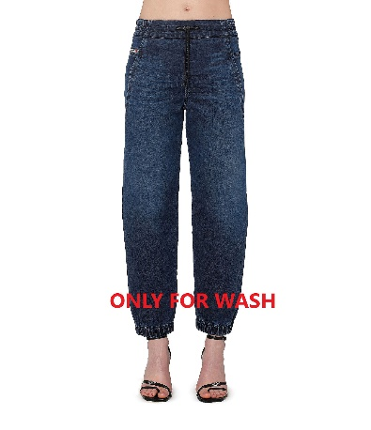 A00879_068CT_01-01 | 275.00 € | 4,400.00 € | 110.00 € | 1,760.00 € | 16 | 01 | 0 | 0 | 1 | 0 | 3 | 0 | 2 | 0 | 3 | 0 | 3 | 2 | 2 | 0 | 0 | 0 | 0 | 0 | 0 | 0 | 0 | 0 | 0 | 0 | 0 | 0 | 0 | 0 | 0 | 0
0005 | DENIM DSL MEN | 6203423500 | Sweat jeans | THOMMER-Y-NE | DE | Denim | SLIM | A00882 | M | 90%COTTON 8%POLYESTER 2%ELASTANE | THOMMER-Y-NE L.32 Sweat jeans | A00882 | R670M | 900 | CAVIAR | A00882R670M | THOMMER-Y-NE R670M | 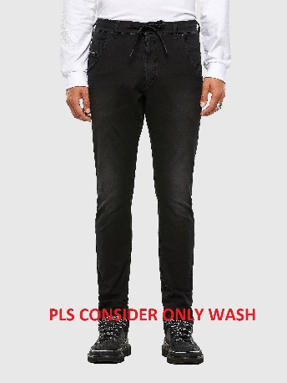 A00882_R670M_900-01 | 275.00 € | 3,850.00 € | 110.00 € | 1,540.00 € | 14 | 01 | 0 | 0 | 1 | 0 | 2 | 0 | 3 | 0 | 3 | 0 | 3 | 1 | 1 | 0 | 0 | 0 | 0 | 0 | 0 | 0 | 0 | 0 | 0 | 0 | 0 | 0 | 0 | 0 | 0 | 0
0006 | DENIM DSL WOMEN | 6204623190 | 5 pockets | 1969 D-EBBEY | DE | Denim | BOOTCUT | A03615 | F | 99%COTTON 1%ELASTANE | 1969 D-EBBEY L.30 PANTALONI | A03616 | 0NFAJ | 01 | . | A036160NFAJ | 1969 D-EBBEY 0NFAJ | 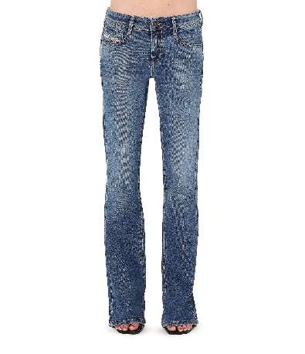 A03615_0NFAJ_01-01 | 175.00 € | 2,625.00 € | 70.00 € | 1,050.00 € | 15 | 36 | 0 | 1 | 0 | 2 | 2 | 3 | 3 | 1 | 2 | 1 | 0 | 0 | 0 | 0 | 0 | 0 | 0 | 0 | 0 | 0 | 0 | 0 | 0 | 0 | 0 | 0 | 0 | 0 | 0 | 0
0006 | DENIM DSL WOMEN | 6204623190 | 5 pockets | 1969 D-EBBEY | DE | Denim | BOOTCUT | A03615 | F | 99%COTTON 1%ELASTANE | 1969 D-EBBEY L.32 PANTALONI | A03615 | 0NFAJ | 01 | . | A036150NFAJ | 1969 D-EBBEY 0NFAJ | A03615_0NFAJ_01-01 | 175.00 € | 3,325.00 € | 70.00 € | 1,330.00 € | 19 | 36 | 0 | 1 | 1 | 2 | 3 | 3 | 2 | 3 | 2 | 1 | 1 | 0 | 0 | 0 | 0 | 0 | 0 | 0 | 0 | 0 | 0 | 0 | 0 | 0 | 0 | 0 | 0 | 0 | 0 | 0
0006 | DENIM DSL WOMEN | 6204623190 | 5 pockets | 1984 SLANDY-HIGH | DE | Denim | SUPER-SKINNY | A03597 | F | 79%COTTON 17%MODAL 3%ELASTOMULTIESTER 1%ELASTANE-SPANDEX | 1984 SLANDY-HIGH L.30 PANTALON | A03598 | 09C20 | 01 | . | A0359809C20 | 1984 SLANDY-HIGH 09C20 | 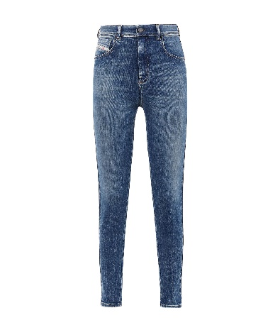 A03597_09C20_01-01 | 195.00 € | 2,145.00 € | 78.00 € | 858.00 € | 11 | 36 | 0 | 0 | 1 | 0 | 3 | 2 | 0 | 2 | 2 | 0 | 0 | 1 | 0 | 0 | 0 | 0 | 0 | 0 | 0 | 0 | 0 | 0 | 0 | 0 | 0 | 0 | 0 | 0 | 0 | 0
0006 | DENIM DSL WOMEN | 6204623190 | 5 pockets | 1984 SLANDY-HIGH | DE | Denim | SUPER-SKINNY | A03597 | F | 79%COTTON 17%MODAL 3%ELASTOMULTIESTER 1%ELASTANE-SPANDEX | 1984 SLANDY-HIGH L.32 PANTALON | A03597 | 09C20 | 01 | . | A0359709C20 | 1984 SLANDY-HIGH 09C20 | A03597_09C20_01-01 | 195.00 € | 1,950.00 € | 78.00 € | 780.00 € | 10 | 36 | 0 | 0 | 0 | 0 | 1 | 1 | 4 | 3 | 1 | 0 | 0 | 0 | 0 | 0 | 0 | 0 | 0 | 0 | 0 | 0 | 0 | 0 | 0 | 0 | 0 | 0 | 0 | 0 | 0 | 0
0006 | DENIM DSL WOMEN | 6204623190 | 5 pockets | 2017 SLANDY | DE | Denim | SUPER-SKINNY | A04108 | F | 97%COTTON 2%ELASTOMULTIESTER 1%ELASTANE | 2017 SLANDY L.32 PANTALONI | A04108 | 09E91 | 01 | . | A0410809E91 | 2017 SLANDY 09E91 | 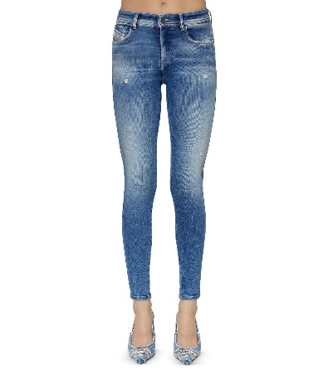 A04108_09E91_01-01 | 225.00 € | 1,800.00 € | 90.00 € | 720.00 € | 8 | 36 | 0 | 1 | 0 | 0 | 2 | 1 | 3 | 0 | 1 | 0 | 0 | 0 | 0 | 0 | 0 | 0 | 0 | 0 | 0 | 0 | 0 | 0 | 0 | 0 | 0 | 0 | 0 | 0 | 0 | 0
0006 | DENIM DSL WOMEN | 6204623190 | 5 pockets | 2017 SLANDY | DE | Denim | SUPER-SKINNY | A04108 | F | 97%COTTON 2%ELASTOMULTIESTER 1%ELASTANE | 2017 SLANDY L.34 PANTALONI | A05303 | 09E91 | 01 | . | A0530309E91 | 2017 SLANDY 09E91 | A04108_09E91_01-01 | 225.00 € | 2,025.00 € | 90.00 € | 810.00 € | 9 | 36 | 0 | 1 | 1 | 1 | 1 | 2 | 1 | 1 | 0 | 1 | 0 | 0 | 0 | 0 | 0 | 0 | 0 | 0 | 0 | 0 | 0 | 0 | 0 | 0 | 0 | 0 | 0 | 0 | 0 | 0
0006 | DENIM DSL WOMEN | 6204623190 | 5 pockets | D-EBBEY | DE | Denim | BOOTCUT-FLARE | 00SMMV | F | 92%COTTON 6%ELASTOMULTIESTER 2%ELASTANE | D-EBBEY L.32 PANTALONI | 00SMMV | R84RW | 01 | . | 00SMMVR84RW | D-EBBEY R84RW | 00SMMV_R84RW_01-01 | 175.00 € | 2,800.00 € | 70.00 € | 1,120.00 € | 16 | 36 | 0 | 0 | 0 | 0 | 3 | 2 | 3 | 3 | 3 | 1 | 1 | 0 | 0 | 0 | 0 | 0 | 0 | 0 | 0 | 0 | 0 | 0 | 0 | 0 | 0 | 0 | 0 | 0 | 0 | 0
0006 | DENIM DSL WOMEN | 6204623190 | 5 pockets | SLANDY | DE | Denim | SUPER-SKINNY | 00SXJN | F | 79%COTTON 17%MODAL 3%ELASTOMULTIESTER 1%ELASTANE-SPANDEX | SLANDY L.30 PANTALONI | 00SXJM | RR9CJ | 01 | . | 00SXJMRR9CJ | SLANDY RR9CJ | 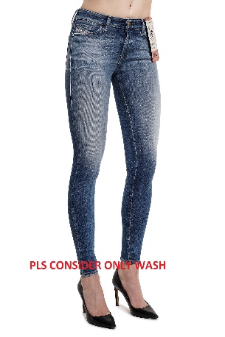 00SXJN_RR9CJ_01-01 | 185.00 € | 925.00 € | 74.00 € | 370.00 € | 5 | 36 | 0 | 0 | 0 | 0 | 0 | 0 | 1 | 2 | 1 | 0 | 1 | 0 | 0 | 0 | 0 | 0 | 0 | 0 | 0 | 0 | 0 | 0 | 0 | 0 | 0 | 0 | 0 | 0 | 0 | 0
0006 | DENIM DSL WOMEN | 6204623190 | 5 pockets | SLANDY | DE | Denim | SUPER-SKINNY | 00SXJN | F | 79%COTTON 17%MODAL 3%ELASTOMULTIESTER 1%ELASTANE-SPANDEX | SLANDY L.32 PANTALONI | 00SXJN | RR9CJ | 01 | . | 00SXJNRR9CJ | SLANDY RR9CJ | 00SXJN_RR9CJ_01-01 | 185.00 € | 925.00 € | 74.00 € | 370.00 € | 5 | 36 | 0 | 0 | 0 | 1 | 2 | 1 | 0 | 1 | 0 | 0 | 0 | 0 | 0 | 0 | 0 | 0 | 0 | 0 | 0 | 0 | 0 | 0 | 0 | 0 | 0 | 0 | 0 | 0 | 0 | 0
0006 | DENIM DSL WOMEN | 6204691890 | Sweat jeans | PANTALONI | DE | Denim | BOYFRIEND |  | F | 52%LYOCELL 45%COTTON 3%ELASTANE | FAYZA-NE Sweat jeans | 00CYQV | R9H11 | 01 | . | 00CYQVR9H11 | 00CYQV R9H11 | 00CYQV_R9H11_01-01 | 295.00 € | 1,770.00 € | 118.00 € | 708.00 € | 6 | 36 | 0 | 2 | 0 | 2 | 0 | 2 | 0 | 0 | 0 | 0 | 0 | 0 | 0 | 0 | 0 | 0 | 0 | 0 | 0 | 0 | 0 | 0 | 0 | 0 | 0 | 0 | 0 | 0 | 0 | 0
0006 | DENIM DSL WOMEN | 6204691890 | Sweat jeans | PANTALONI | DE | Denim | SLIM |  | F | 52%LYOCELL 45%COTTON 3%ELASTANE | D-OLLIES-NE Sweat jeans | 00SWC3 | 068CQ | 02 | . | 00SWC3068CQ | 00SWC3 068CQ | 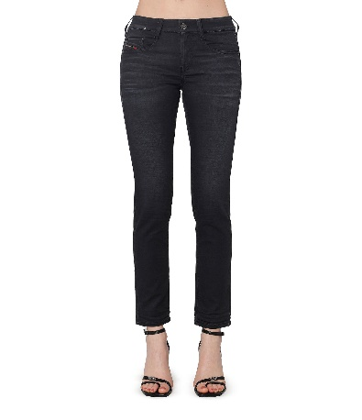 00SWC3_068CQ_02-01 | 250.00 € | 1,500.00 € | 100.00 € | 600.00 € | 6 | 36 | 0 | 2 | 0 | 2 | 0 | 2 | 0 | 0 | 0 | 0 | 0 | 0 | 0 | 0 | 0 | 0 | 0 | 0 | 0 | 0 | 0 | 0 | 0 | 0 | 0 | 0 | 0 | 0 | 0 | 0
0006 | DENIM DSL WOMEN | 6204623990 | Sweat jeans | PANTALONI | DE | Denim | BOYFRIEND |  | F | 90%COTTON 8%POLYESTER 2%ELASTANE | D-KRAILEY-F-NE Sweat jeans | A08457 | 0670M | 58Q | GREEN | A084570670M | A08457 0670M | 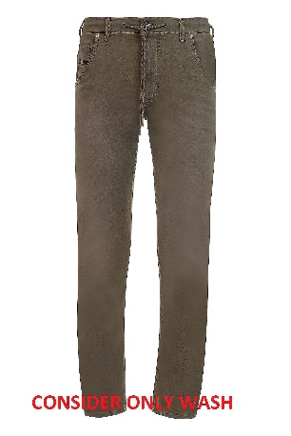 A08457_0670M_58Q-01 | 250.00 € | 2,000.00 € | 100.00 € | 800.00 € | 8 | 36 | 0 | 1 | 0 | 1 | 0 | 1 | 0 | 2 | 0 | 3 | 0 | 0 | 0 | 0 | 0 | 0 | 0 | 0 | 0 | 0 | 0 | 0 | 0 | 0 | 0 | 0 | 0 | 0 | 0 | 0
0001 | RTW DSL MEN | 6103420000 | Pants | PANTALONI | KN | Knit | REGULAR |  | M | 100%COTTON+RIB97%COTTON3%ELASTHAN | P-TARY-IND PANTALONI | A03747 | 0HERE | 5JX | COVERT GREEN | A037470HERE | A03747 0HERE | 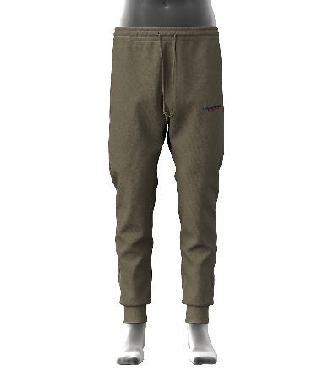 A03747_0HERE_5JX-01 | 150.00 € | 1,500.00 € | 60.00 € | 600.00 € | 10 | 25 | 0 | 1 | 1 | 3 | 2 | 2 | 1 | 0 | 0 | 0 | 0 | 0 | 0 | 0 | 0 | 0 | 0 | 0 | 0 | 0 | 0 | 0 | 0 | 0 | 0 | 0 | 0 | 0 | 0 | 0
0001 | RTW DSL MEN | 6103420000 | Pants | PANTALONI | KN | Knit | REGULAR |  | M | 100%COTTON+RIB97%COTTON3%ELASTHAN | P-TARY-IND PANTALONI | A03747 | 0HERE | 8MS | ENSIGN BLUE | A037470HERE | A03747 0HERE | 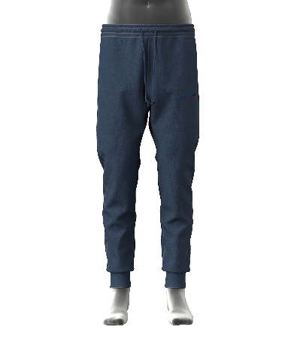 A03747_0HERE_8MS-01 | 150.00 € | 1,800.00 € | 60.00 € | 720.00 € | 12 | 25 | 0 | 0 | 3 | 3 | 3 | 2 | 1 | 0 | 0 | 0 | 0 | 0 | 0 | 0 | 0 | 0 | 0 | 0 | 0 | 0 | 0 | 0 | 0 | 0 | 0 | 0 | 0 | 0 | 0 | 0
0001 | RTW DSL MEN | 6103420000 | Pants | PANTALONI | KN | Knit |  |  | M | 100%COTTON+RIB97%COTTON3%ELASTHAN | P-TOPPAL PANTALONI | A07594 | 0BVFH | 93R | GREY | A075940BVFH | A07594 0BVFH | 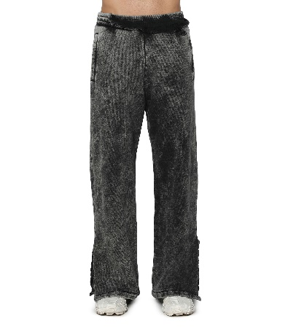 A07594_0BVFH_93R-01 | 325.00 € | 3,575.00 € | 130.00 € | 1,430.00 € | 11 | 25 | 0 | 0 | 3 | 4 | 2 | 1 | 1 | 0 | 0 | 0 | 0 | 0 | 0 | 0 | 0 | 0 | 0 | 0 | 0 | 0 | 0 | 0 | 0 | 0 | 0 | 0 | 0 | 0 | 0 | 0
0001 | RTW DSL MEN | 6103430000 | Pants | PANTALONI | KN | Knit |  |  | M | 60%POLYESTER 40%COTTON | P-MARKY PANTALONI | A08545 | 0AIJJ | 900 | CAVIAR | A085450AIJJ | A08545 0AIJJ | 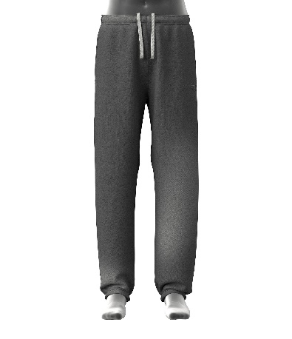 A08545_0AIJJ_900-01 | 175.00 € | 2,450.00 € | 70.00 € | 980.00 € | 14 | 25 | 0 | 4 | 3 | 3 | 3 | 1 | 0 | 0 | 0 | 0 | 0 | 0 | 0 | 0 | 0 | 0 | 0 | 0 | 0 | 0 | 0 | 0 | 0 | 0 | 0 | 0 | 0 | 0 | 0 | 0
0001 | RTW DSL MEN | 6105100000 | Polos | T-SHIRTS | KN | Knit | SLIM |  | M | 100%COTTON | T-SMITH-IND POLO | A03860 | 0HEAM | 64M | PASTEL LILAC | A038600HEAM | A03860 0HEAM | 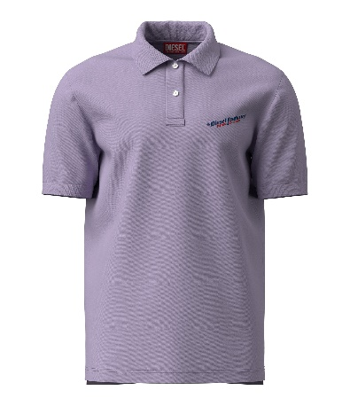 A03860_0HEAM_64M-01 | 100.00 € | 1,500.00 € | 40.00 € | 600.00 € | 15 | 25 | 0 | 1 | 3 | 5 | 2 | 2 | 2 | 0 | 0 | 0 | 0 | 0 | 0 | 0 | 0 | 0 | 0 | 0 | 0 | 0 | 0 | 0 | 0 | 0 | 0 | 0 | 0 | 0 | 0 | 0
0001 | RTW DSL MEN | 6105100000 | Polos | T-SHIRTS | KN | Knit | SLIM |  | M | 100%COTTON | T-SMITH-IND POLO | A03860 | 0HERD | 96B | PHANTOM | A038600HERD | A03860 0HERD | 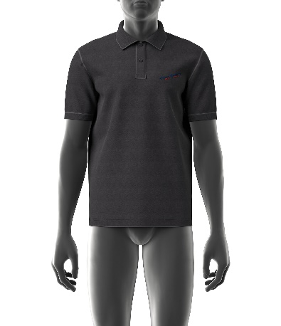 A03860_0HERD_96B-01 | 100.00 € | 1,400.00 € | 40.00 € | 560.00 € | 14 | 25 | 0 | 0 | 4 | 4 | 2 | 2 | 1 | 1 | 0 | 0 | 0 | 0 | 0 | 0 | 0 | 0 | 0 | 0 | 0 | 0 | 0 | 0 | 0 | 0 | 0 | 0 | 0 | 0 | 0 | 0
0001 | RTW DSL MEN | 6105100000 | Polos | T-SHIRTS | KN | Knit |  |  | M | 100%COTTON | T-SPOUCH POLO | A08563 | 0CJAC | 7DJA | . | A085630CJAC | A08563 0CJAC | 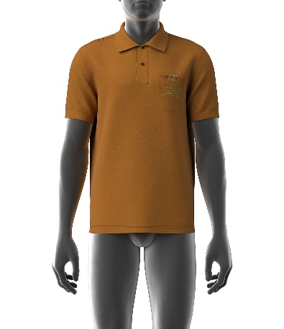 A08563_0CJAC_7DJA-01 | 90.00 € | 270.00 € | 36.00 € | 108.00 € | 3 | 25 | 0 | 0 | 0 | 0 | 2 | 1 | 0 | 0 | 0 | 0 | 0 | 0 | 0 | 0 | 0 | 0 | 0 | 0 | 0 | 0 | 0 | 0 | 0 | 0 | 0 | 0 | 0 | 0 | 0 | 0
0001 | RTW DSL MEN | 6105100000 | Polos | T-SHIRTS | KN | Knit |  |  | M | 100%COTTON | T-SPOUCH POLO | A08563 | 0CJAC | 900A | . | A085630CJAC | A08563 0CJAC | 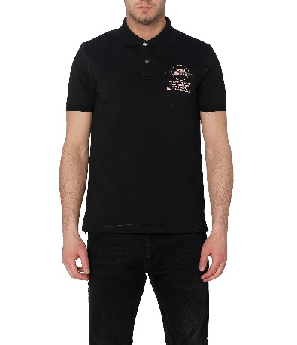 A08563_0CJAC_900A-01 | 90.00 € | 1,170.00 € | 36.00 € | 468.00 € | 13 | 25 | 0 | 0 | 4 | 4 | 4 | 1 | 0 | 0 | 0 | 0 | 0 | 0 | 0 | 0 | 0 | 0 | 0 | 0 | 0 | 0 | 0 | 0 | 0 | 0 | 0 | 0 | 0 | 0 | 0 | 0
0001 | RTW DSL MEN | 6105100000 | Polos | T-SHIRTS | KN | Knit |  |  | M | 100%COTTON | T-SMITH-POC POLO | A08645 | 0BJAN | 900 | CAVIAR | A086450BJAN | A08645 0BJAN | 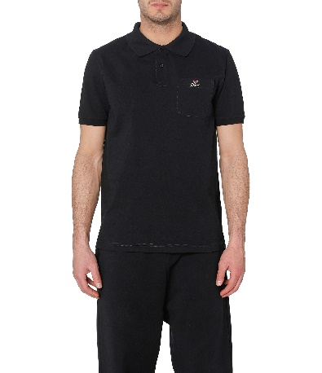 A08645_0BJAN_900-01 | 110.00 € | 880.00 € | 44.00 € | 352.00 € | 8 | 25 | 0 | 1 | 0 | 1 | 4 | 2 | 0 | 0 | 0 | 0 | 0 | 0 | 0 | 0 | 0 | 0 | 0 | 0 | 0 | 0 | 0 | 0 | 0 | 0 | 0 | 0 | 0 | 0 | 0 | 0
0001 | RTW DSL MEN | 6105100000 | Polos | T-SHIRTS | KN | Knit |  |  | M | 100%COTTON | T-SMITH-HD POLO | A10283 | RHEAM | 81E | TOTAL ECLIPSE | A10283RHEAM | A10283 RHEAM | A10283_RHEAM_81E-01 | 90.00 € | 1,080.00 € | 36.00 € | 432.00 € | 12 | 25 | 0 | 0 | 1 | 3 | 4 | 3 | 1 | 0 | 0 | 0 | 0 | 0 | 0 | 0 | 0 | 0 | 0 | 0 | 0 | 0 | 0 | 0 | 0 | 0 | 0 | 0 | 0 | 0 | 0 | 0
0001 | RTW DSL MEN | 6105100000 | Polos | T-SHIRTS | KN | Knit |  |  | M | 100%COTTON | T-SMITH-G4 POLO | A10633 | 0BAWH | 100 | BRIGHT WHITE | A106330BAWH | A10633 0BAWH | 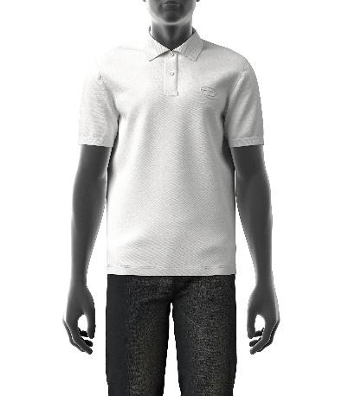 A10633_0BAWH_100-01 | 100.00 € | 1,700.00 € | 40.00 € | 680.00 € | 17 | 25 | 1 | 0 | 3 | 6 | 4 | 3 | 0 | 0 | 0 | 0 | 0 | 0 | 0 | 0 | 0 | 0 | 0 | 0 | 0 | 0 | 0 | 0 | 0 | 0 | 0 | 0 | 0 | 0 | 0 | 0
0001 | RTW DSL MEN | 6205200090 | Shirts | CAMICIE | WV | Woven | REGULAR |  | M | 100%COTTON | S-BEN-CL CAMICIA | A04105 | 0PCAL | 9XX | BLACK BLACK BLACK | A041050PCAL | A04105 0PCAL | 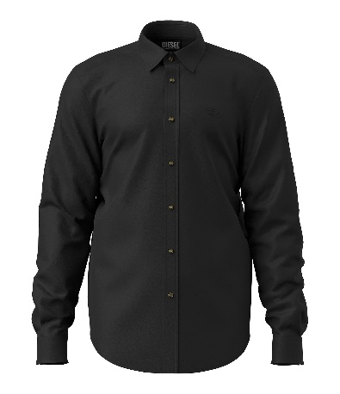 A04105_0PCAL_9XX-01 | 150.00 € | 1,200.00 € | 60.00 € | 480.00 € | 8 | 25 | 0 | 0 | 1 | 2 | 2 | 2 | 1 | 0 | 0 | 0 | 0 | 0 | 0 | 0 | 0 | 0 | 0 | 0 | 0 | 0 | 0 | 0 | 0 | 0 | 0 | 0 | 0 | 0 | 0 | 0
0001 | RTW DSL MEN | 6205200090 | Shirts | CAMICIE | WV | Woven |  |  | M | 100%COTTON | S-MAC-B CAMICIA | A08486 | 0LFAX | 9XX | BLACK BLACK BLACK | A084860LFAX | A08486 0LFAX | 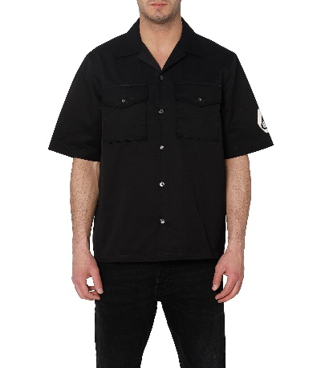 A08486_0LFAX_9XX-01 | 175.00 € | 2,625.00 € | 70.00 € | 1,050.00 € | 15 | 37 | 0 | 0 | 0 | 0 | 0 | 0 | 4 | 3 | 4 | 3 | 1 | 0 | 0 | 0 | 0 | 0 | 0 | 0 | 0 | 0 | 0 | 0 | 0 | 0 | 0 | 0 | 0 | 0 | 0 | 0
0001 | RTW DSL MEN | 6205200090 | Shirts | CAMICIE | WV | Woven |  |  | M | 100%COTTON | S-DEWNY CAMICIA | A08546 | 0LFAX | 5FP | BEECH | A085460LFAX | A08546 0LFAX | A08546_0LFAX_5FP-01 | 195.00 € | 975.00 € | 78.00 € | 390.00 € | 5 | 37 | 0 | 0 | 0 | 0 | 0 | 0 | 1 | 1 | 2 | 1 | 0 | 0 | 0 | 0 | 0 | 0 | 0 | 0 | 0 | 0 | 0 | 0 | 0 | 0 | 0 | 0 | 0 | 0 | 0 | 0
0001 | RTW DSL MEN | 6203429000 | Short pants | PANTALONI | WV | Woven |  |  | M | 100%COTTON | P-FERG CALZONCINI | A08499 | 0JLAX | 9BLA | . | A084990JLAX | A08499 0JLAX | A08499_0JLAX_9BLA-01 | 160.00 € | 960.00 € | 64.00 € | 384.00 € | 6 | 37 | 0 | 0 | 0 | 0 | 0 | 1 | 1 | 2 | 1 | 1 | 0 | 0 | 0 | 0 | 0 | 0 | 0 | 0 | 0 | 0 | 0 | 0 | 0 | 0 | 0 | 0 | 0 | 0 | 0 | 0
0001 | RTW DSL MEN | 6103420000 | Short pants | PANTALONI | KN | Knit |  |  | M | 100%COTTON | P-MARSHY-MONO CALZONCINI | A09662 | 0NAZQ | 9XX | BLACK BLACK BLACK | A096620NAZQ | A09662 0NAZQ | A09662_0NAZQ_9XX-01 | 175.00 € | 1,225.00 € | 70.00 € | 490.00 € | 7 | 25 | 0 | 0 | 1 | 3 | 1 | 2 | 0 | 0 | 0 | 0 | 0 | 0 | 0 | 0 | 0 | 0 | 0 | 0 | 0 | 0 | 0 | 0 | 0 | 0 | 0 | 0 | 0 | 0 | 0 | 0
0001 | RTW DSL MEN | 6110209100 | Sweaters | FELPE | KN | Knit |  |  | M | 100%COTTON | S-ALBY-ZIP-A1 FELPA | 00SW9F | 0IAJH | 100 | BRIGHT WHITE | 00SW9F0IAJH | 00SW9F 0IAJH | 00SW9F_0IAJH_100-01 | 180.00 € | 1,800.00 € | 72.00 € | 720.00 € | 10 | 25 | 0 | 0 | 4 | 4 | 1 | 1 | 0 | 0 | 0 | 0 | 0 | 0 | 0 | 0 | 0 | 0 | 0 | 0 | 0 | 0 | 0 | 0 | 0 | 0 | 0 | 0 | 0 | 0 | 0 | 0
0001 | RTW DSL MEN | 6110209100 | Sweaters | FELPE | KN | Knit |  |  | M | 100%COTTON | S-ALBY-ZIP-A1 FELPA | 00SW9F | 0IAJH | 44I | ROSSO | 00SW9F0IAJH | 00SW9F 0IAJH | 00SW9F_0IAJH_44I-01 | 180.00 € | 1,800.00 € | 72.00 € | 720.00 € | 10 | 25 | 0 | 0 | 2 | 1 | 3 | 3 | 1 | 0 | 0 | 0 | 0 | 0 | 0 | 0 | 0 | 0 | 0 | 0 | 0 | 0 | 0 | 0 | 0 | 0 | 0 | 0 | 0 | 0 | 0 | 0
0001 | RTW DSL MEN | 6110209100 | Sweaters | FELPE | KN | Knit | REGULAR |  | M | 100%COTTON+RIB 95%COTTON 5%ELASTANE-SPANDEX | S-GIRK-CUTY FELPA | A00349 | 0IAJH | 900 | CAVIAR | A003490IAJH | A00349 0IAJH | A00349_0IAJH_900-01 | 120.00 € | 2,400.00 € | 48.00 € | 960.00 € | 20 | 25 | 0 | 2 | 6 | 6 | 0 | 6 | 0 | 0 | 0 | 0 | 0 | 0 | 0 | 0 | 0 | 0 | 0 | 0 | 0 | 0 | 0 | 0 | 0 | 0 | 0 | 0 | 0 | 0 | 0 | 0
0001 | RTW DSL MEN | 6110209100 | Sweaters | FELPE | KN | Knit |  |  | M | 100%COTTON+RIB 96%COTTON 4%ELASTANE | S-ROB-DOVAL-PJ FELPA | A03785 | 0BKAF | 5BV | LIMEADE | A037850BKAF | A03785 0BKAF | A03785_0BKAF_5BV-01 | 150.00 € | 2,100.00 € | 60.00 € | 840.00 € | 14 | 25 | 0 | 0 | 3 | 4 | 3 | 3 | 1 | 0 | 0 | 0 | 0 | 0 | 0 | 0 | 0 | 0 | 0 | 0 | 0 | 0 | 0 | 0 | 0 | 0 | 0 | 0 | 0 | 0 | 0 | 0
0001 | RTW DSL MEN | 6110209100 | Sweaters | FELPE | KN | Knit |  |  | M | 100%COTTON+RIB 95%COTTON 5%ELASTANE-SPANDEX | S-MART-C2 FELPA | A05140 | 0TDAJ | 900 | CAVIAR | A051400TDAJ | A05140 0TDAJ | A05140_0TDAJ_900-01 | 175.00 € | 2,450.00 € | 70.00 € | 980.00 € | 14 | 25 | 0 | 2 | 3 | 7 | 1 | 1 | 0 | 0 | 0 | 0 | 0 | 0 | 0 | 0 | 0 | 0 | 0 | 0 | 0 | 0 | 0 | 0 | 0 | 0 | 0 | 0 | 0 | 0 | 0 | 0
0001 | RTW DSL MEN | 6110209100 | Sweaters | FELPE | KN | Knit |  |  | M | 100%COTTON+RIB 95%COTTON 5%ELASTANE-SPANDEX | S-UMMERRY FELPA | A06166 | 0TEAK | 900 | CAVIAR | A061660TEAK | A06166 0TEAK | A06166_0TEAK_900-01 | 250.00 € | 2,000.00 € | 100.00 € | 800.00 € | 8 | 25 | 0 | 0 | 2 | 2 | 3 | 1 | 0 | 0 | 0 | 0 | 0 | 0 | 0 | 0 | 0 | 0 | 0 | 0 | 0 | 0 | 0 | 0 | 0 | 0 | 0 | 0 | 0 | 0 | 0 | 0
0001 | RTW DSL MEN | 6110209100 | Sweaters | FELPE | KN | Knit |  |  | M | 100%COTTON+RIB 96%COTTON 4%ELASTANE | S-MOLOCK FELPA | A06171 | 0TDAJ | 9CT | SKY GRAY | A061710TDAJ | A06171 0TDAJ | A06171_0TDAJ_9CT-01 | 195.00 € | 4,290.00 € | 78.00 € | 1,716.00 € | 22 | 25 | 0 | 2 | 5 | 5 | 5 | 4 | 1 | 0 | 0 | 0 | 0 | 0 | 0 | 0 | 0 | 0 | 0 | 0 | 0 | 0 | 0 | 0 | 0 | 0 | 0 | 0 | 0 | 0 | 0 | 0
0001 | RTW DSL MEN | 6110209100 | Sweaters | FELPE | KN | Knit |  |  | M | 100%COTTON | S-OCEAN-E1 FELPA | A06265 | 0DGAG | 92E | . | A062650DGAG | A06265 0DGAG | A06265_0DGAG_92E-01 | 225.00 € | 2,250.00 € | 90.00 € | 900.00 € | 10 | 25 | 0 | 1 | 2 | 2 | 3 | 1 | 1 | 0 | 0 | 0 | 0 | 0 | 0 | 0 | 0 | 0 | 0 | 0 | 0 | 0 | 0 | 0 | 0 | 0 | 0 | 0 | 0 | 0 | 0 | 0
0001 | RTW DSL MEN | 6110209100 | Sweaters | FELPE | KN | Knit |  |  | M | 100%COTTON+RIB97%COTTON3%ELASTHAN | S-UMMECS FELPA | A06314 | 0DGAG | 92E | . | A063140DGAG | A06314 0DGAG | A06314_0DGAG_92E-01 | 225.00 € | 3,825.00 € | 90.00 € | 1,530.00 € | 17 | 25 | 0 | 0 | 1 | 6 | 9 | 1 | 0 | 0 | 0 | 0 | 0 | 0 | 0 | 0 | 0 | 0 | 0 | 0 | 0 | 0 | 0 | 0 | 0 | 0 | 0 | 0 | 0 | 0 | 0 | 0
0001 | RTW DSL MEN | 6110209100 | Sweaters | FELPE | KN | Knit |  |  | M | 100%COTTON+RIB 95%COTTON 5%ELASTANE-SPANDEX | S-GINN-E5 FELPA | A06787 | 0AJIH | 44Q | RIBBON RED | A067870AJIH | A06787 0AJIH | A06787_0AJIH_44Q-01 | 195.00 € | 3,510.00 € | 78.00 € | 1,404.00 € | 18 | 25 | 0 | 1 | 3 | 5 | 5 | 3 | 1 | 0 | 0 | 0 | 0 | 0 | 0 | 0 | 0 | 0 | 0 | 0 | 0 | 0 | 0 | 0 | 0 | 0 | 0 | 0 | 0 | 0 | 0 | 0
0001 | RTW DSL MEN | 6110209100 | Sweaters | FELPE | KN | Knit |  |  | M | 100%COTTON+RIB97%COTTON3%ELASTHAN | S-TOPPER FELPA | A07593 | 0BVFH | 9BL | PURITAN GRAY | A075930BVFH | A07593 0BVFH | A07593_0BVFH_9BL-01 | 350.00 € | 5,600.00 € | 140.00 € | 2,240.00 € | 16 | 25 | 0 | 0 | 0 | 4 | 5 | 5 | 2 | 0 | 0 | 0 | 0 | 0 | 0 | 0 | 0 | 0 | 0 | 0 | 0 | 0 | 0 | 0 | 0 | 0 | 0 | 0 | 0 | 0 | 0 | 0
0001 | RTW DSL MEN | 6110209100 | Sweaters | FELPE | KN | Knit |  |  | M | 100%COTTON+RIB97%COTTON3%ELASTHAN | S-MACRAU FELPA | A08524 | 0CJAD | 900 | CAVIAR | A085240CJAD | A08524 0CJAD | A08524_0CJAD_900-01 | 195.00 € | 2,925.00 € | 78.00 € | 1,170.00 € | 15 | 25 | 0 | 0 | 5 | 4 | 4 | 2 | 0 | 0 | 0 | 0 | 0 | 0 | 0 | 0 | 0 | 0 | 0 | 0 | 0 | 0 | 0 | 0 | 0 | 0 | 0 | 0 | 0 | 0 | 0 | 0
0001 | RTW DSL MEN | 6110209100 | Sweaters | FELPE | KN | Knit |  |  | M | 100%COTTON+RIB97%COTTON3%ELASTHAN | S-MACS-HOOD-G3 FELPA | A08631 | 0HERH | 900 | CAVIAR | A086310HERH | A08631 0HERH | A08631_0HERH_900-01 | 275.00 € | 8,800.00 € | 110.00 € | 3,520.00 € | 32 | 25 | 0 | 2 | 9 | 7 | 8 | 6 | 0 | 0 | 0 | 0 | 0 | 0 | 0 | 0 | 0 | 0 | 0 | 0 | 0 | 0 | 0 | 0 | 0 | 0 | 0 | 0 | 0 | 0 | 0 | 0
0001 | RTW DSL MEN | 6110209100 | Sweaters | FELPE | KN | Knit |  |  | M | 100%COTTON+RIB 95%COTTON 5%ELASTANE-SPANDEX | S-UMMERRY-ZIP-E8 FELPA | A08926 | 0TEAK | 900 | CAVIAR | A089260TEAK | A08926 0TEAK | A08926_0TEAK_900-01 | 295.00 € | 7,375.00 € | 118.00 € | 2,950.00 € | 25 | 25 | 0 | 2 | 6 | 6 | 9 | 1 | 1 | 0 | 0 | 0 | 0 | 0 | 0 | 0 | 0 | 0 | 0 | 0 | 0 | 0 | 0 | 0 | 0 | 0 | 0 | 0 | 0 | 0 | 0 | 0
0001 | RTW DSL MEN | 6110209100 | Sweaters | FELPE | KN | Knit |  |  | M | 100%COTTON+RIB 95%COTTON 5%ELASTANE-SPANDEX | S-UMMERRY-ZIP-E8 FELPA | A08926 | 0TEAK | 72U | . | A089260TEAK | A08926 0TEAK | A08926_0TEAK_72U-01 | 295.00 € | 7,965.00 € | 118.00 € | 3,186.00 € | 27 | 25 | 0 | 3 | 9 | 5 | 4 | 3 | 3 | 0 | 0 | 0 | 0 | 0 | 0 | 0 | 0 | 0 | 0 | 0 | 0 | 0 | 0 | 0 | 0 | 0 | 0 | 0 | 0 | 0 | 0 | 0
0001 | RTW DSL MEN | 6110209100 | Sweaters | FELPE | KN | Knit |  |  | M | 100%COTTON+RIB97%COTTON3%ELASTHAN | S-MACS-G5 FELPA | A09021 | 0EJAB | 141 | OFF WHITE | A090210EJAB | A09021 0EJAB | A09021_0EJAB_141-01 | 150.00 € | 3,150.00 € | 60.00 € | 1,260.00 € | 21 | 25 | 0 | 0 | 2 | 6 | 9 | 3 | 0 | 1 | 0 | 0 | 0 | 0 | 0 | 0 | 0 | 0 | 0 | 0 | 0 | 0 | 0 | 0 | 0 | 0 | 0 | 0 | 0 | 0 | 0 | 0
0001 | RTW DSL MEN | 6110209100 | Sweaters | FELPE | KN | Knit |  |  | M | 100%COTTON+RIB97%COTTON3%ELASTHAN | S-MACS-HOOD-G7 FELPA | A09022 | 0EJAB | 900 | CAVIAR | A090220EJAB | A09022 0EJAB | A09022_0EJAB_900-01 | 175.00 € | 3,150.00 € | 70.00 € | 1,260.00 € | 18 | 25 | 0 | 1 | 2 | 6 | 6 | 2 | 0 | 1 | 0 | 0 | 0 | 0 | 0 | 0 | 0 | 0 | 0 | 0 | 0 | 0 | 0 | 0 | 0 | 0 | 0 | 0 | 0 | 0 | 0 | 0
0001 | RTW DSL MEN | 6110209100 | Sweaters | FELPE | KN | Knit |  |  | M | 100%COTTON+RIB 96%COTTON 4%ELASTANE | S-GINAFFLE-HOOD-ZIP FELPA | A09976 | 0BKAA | 9BL | PURITAN GRAY | A099760BKAA | A09976 0BKAA | A09976_0BKAA_9BL-01 | 275.00 € | 4,125.00 € | 110.00 € | 1,650.00 € | 15 | 25 | 0 | 1 | 3 | 5 | 5 | 1 | 0 | 0 | 0 | 0 | 0 | 0 | 0 | 0 | 0 | 0 | 0 | 0 | 0 | 0 | 0 | 0 | 0 | 0 | 0 | 0 | 0 | 0 | 0 | 0
0001 | RTW DSL MEN | 6110209900 | Sweaters | FELPE | KN | Knit | REGULAR |  | U | 100%COTTON+RIB97%COTTON3%ELASTHAN | S-GINN-HOOD-ZIP-IND FELPA | A03745 | 0HERE | 96B | PHANTOM | A037450HERE | A03745 0HERE | A03745_0HERE_96B-01 | 205.00 € | 4,715.00 € | 82.00 € | 1,886.00 € | 23 | 25 | 0 | 0 | 5 | 7 | 1 | 8 | 0 | 2 | 0 | 0 | 0 | 0 | 0 | 0 | 0 | 0 | 0 | 0 | 0 | 0 | 0 | 0 | 0 | 0 | 0 | 0 | 0 | 0 | 0 | 0
0001 | RTW DSL MEN | 6109100010 | T-shirts | T-SHIRTS | KN | Knit |  |  | M | 100%COTTON | T-DIEGO-BX2 MAGLIETTA | 00S014 | 0EAXG | 100 | BRIGHT WHITE | 00S0140EAXG | 00S014 0EAXG | 00S014_0EAXG_100-01 | 50.00 € | 1,250.00 € | 20.00 € | 500.00 € | 25 | 25 | 0 | 0 | 4 | 10 | 5 | 4 | 2 | 0 | 0 | 0 | 0 | 0 | 0 | 0 | 0 | 0 | 0 | 0 | 0 | 0 | 0 | 0 | 0 | 0 | 0 | 0 | 0 | 0 | 0 | 0
0001 | RTW DSL MEN | 6109100010 | T-shirts | T-SHIRTS | KN | Knit |  |  | M | 100%COTTON | T-DIEGO-SLITS-J6 MAGLIETTA | 00S4E2 | 0PATI | 23F | YELLOW FLUO SMP | 00S4E20PATI | 00S4E2 0PATI | 00S4E2_0PATI_23F-01 | 65.00 € | 1,300.00 € | 26.00 € | 520.00 € | 20 | 25 | 0 | 0 | 4 | 4 | 9 | 2 | 1 | 0 | 0 | 0 | 0 | 0 | 0 | 0 | 0 | 0 | 0 | 0 | 0 | 0 | 0 | 0 | 0 | 0 | 0 | 0 | 0 | 0 | 0 | 0
0001 | RTW DSL MEN | 6109100010 | T-shirts | T-SHIRTS | KN | Knit |  |  | M | 100%COTTON | T-DIEGO-S7 MAGLIETTA | 00SEEB | 0BASU | 900 | CAVIAR | 00SEEB0BASU | 00SEEB 0BASU | 00SEEB_0BASU_900-01 | 50.00 € | 1,450.00 € | 20.00 € | 580.00 € | 29 | 25 | 0 | 1 | 5 | 9 | 7 | 6 | 1 | 0 | 0 | 0 | 0 | 0 | 0 | 0 | 0 | 0 | 0 | 0 | 0 | 0 | 0 | 0 | 0 | 0 | 0 | 0 | 0 | 0 | 0 | 0
0001 | RTW DSL MEN | 6109100010 | T-shirts | T-SHIRTS | KN | Knit | SLIM |  | M | 100%COTTON | T-DIEGOR-IND MAGLIETTA | A03741 | 0JMAC | 141 | OFF WHITE | A037410JMAC | A03741 0JMAC | A03741_0JMAC_141-01 | 95.00 € | 1,330.00 € | 38.00 € | 532.00 € | 14 | 25 | 1 | 1 | 3 | 4 | 2 | 2 | 1 | 0 | 0 | 0 | 0 | 0 | 0 | 0 | 0 | 0 | 0 | 0 | 0 | 0 | 0 | 0 | 0 | 0 | 0 | 0 | 0 | 0 | 0 | 0
...

